Total Population
Total Population

Population Change by Gender in 2011 and 2021

 | 2011 |  |  | 2021 |  |  | Net change 2011-2021 |  |  | % change 2011-2021
 | All persons | Males | Females | All persons | Males | Females | All persons | Males | Females | All persons | Males | Females
Cotswold | 82,881 | 40,104 | 42,777 | 90,800 | 43,800 | 47,100 | 7,919 | 3,696 | 4,323 | 9.6% | 9.2% | 10.1%
Gloucestershire | 596,984 | 292,586 | 304,398 | 645,100 | 315,300 | 329,800 | 48,116 | 22,714 | 25,402 | 8.1% | 7.8% | 8.3%
South West | 5,288,935 | 2,590,608 | 2,698,327 | 5,701,200 | 2,789,600 | 2,911,600 | 412,265 | 198,992 | 213,273 | 7.8% | 7.7% | 7.9%
England | 53,012,456 | 26,069,148 | 26,943,308 | 56,489,800 | 27,656,300 | 28,833,500 | 3,477,344 | 1,587,152 | 1,890,192 | 6.6% | 6.1% | 7.0%
England and Wales | 56,075,912 | 27,573,376 | 28,502,536 | 59,597,300 | 29,177,200 | 30,420,100 | 3,521,388 | 1,603,824 | 1,917,564 | 6.3% | 5.8% | 6.7%

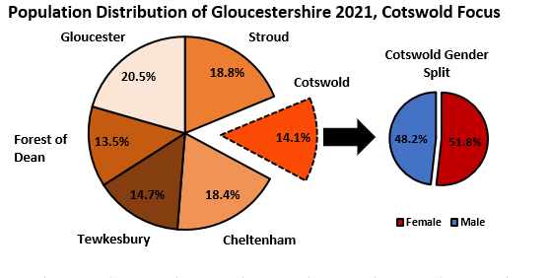

Broad Age Group
Broad Age Groups

Proportion of Population in Each Broad Age Group

 | Cotswold |  |  | Gloucestershire |  |  | South West |  |  | England |  |  | England and Wales
 | All Persons |  |  | All Persons |  |  | All Persons |  |  | All Persons |  |  | All Persons
 | 2001 | 2011 | 2021 | 2001 | 2011 | 2021 | 2001 | 2011 | 2021 | 2001 | 2011 | 2021 | 2001 | 2011 | 2021
0-19 | 22.7% | 21.2% | 19.8% | 24.4% | 22.9% | 21.8% | 23.8% | 22.6% | 21.4% | 25.1% | 24.0% | 23.1% | 25.1% | 24.0% | 23.1%
20-64 | 57.3% | 56.5% | 54.3% | 58.3% | 58.5% | 56.5% | 57.6% | 57.9% | 56.3% | 59.1% | 59.7% | 58.5% | 59.0% | 59.6% | 58.4%
65+ | 20.0% | 22.3% | 26.1% | 17.4% | 18.7% | 21.7% | 18.6% | 19.6% | 22.3% | 15.9% | 16.3% | 18.4% | 16.0% | 16.4% | 18.6%

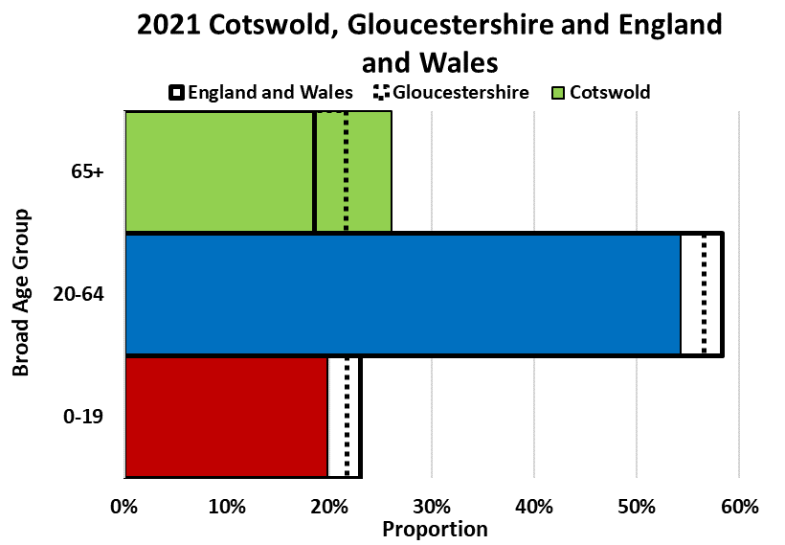
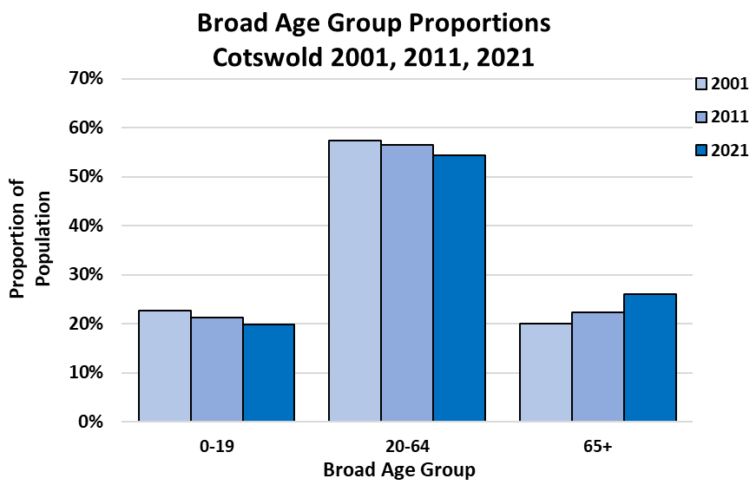

Numbers in Each Broad Age Group

 | Cotswold |  |  |  | Gloucestershire |  |  |  | South West |  |  |  | England |  |  |  | England and Wales
 | All persons |  |  |  | All persons |  |  |  | All persons |  |  |  | All persons |  |  |  | All persons
 | 2011 | 2021 | Net change 2011-2021 | % change 2011-2021 | 2011 | 2021 | Net change 2011-2021 | % change 2011-2021 | 2011 | 2021 | Net change 2011-2021 | % change 2011-2021 | 2011 | 2021 | Net change 2011-2021 | % change 2011-2021 | 2011 | 2021 | Net change 2011-2021 | % change 2011-2021
All Ages | 82,881 | 90,800 | 7,919 | 9.6% | 596,984 | 645,100 | 48,116 | 8.1% | 5,288,935 | 5,701,200 | 412,265 | 7.8% | 53,012,456 | 56,489,800 | 3,477,344 | 6.6% | 56,075,912 | 59,597,300 | 3,521,388 | 6.3%
0-19 | 17,602 | 18,000 | 398 | 2.3% | 136,588 | 140,500 | 3,912 | 2.9% | 1,193,752 | 1,218,700 | 24,948 | 2.1% | 12,712,275 | 13,057,600 | 345,325 | 2.7% | 13,430,523 | 13,747,300 | 316,777 | 2.4%
20-64 | 46,790 | 49,300 | 2,510 | 5.4% | 349,041 | 364,700 | 15,659 | 4.5% | 3,059,739 | 3,208,900 | 149,161 | 4.9% | 31,639,652 | 33,030,900 | 1,391,248 | 4.4% | 33,422,316 | 34,786,800 | 1,364,484 | 4.1%
65+ | 18,489 | 23,700 | 5,211 | 28.2% | 111,355 | 139,900 | 28,545 | 25.6% | 1,035,444 | 1,273,600 | 238,156 | 23.0% | 8,660,529 | 10,401,200 | 1,740,671 | 20.1% | 9,223,073 | 11,063,400 | 1,840,327 | 20.0%

Age Structure
Age Structure

Number of People by 5-year Age Group in 2001, 2011, 2021

 | Cotswold |  |  | Gloucestershire |  |  | South West |  |  | England |  |  | England and Wales
 | All Persons |  |  | All Persons |  |  | All Persons |  |  | All Persons |  |  | All Persons
 | 2001 | 2011 | 2021 | 2001 | 2011 | 2021 | 2001 | 2011 | 2021 | 2001 | 2011 | 2021 | 2001 | 2011 | 2021
All Ages | 80,364 | 82,881 | 90,800 | 564,563 | 596,984 | 645,100 | 4,928,434 | 5,288,935 | 5,701,200 | 49,138,831 | 53,012,456 | 56,489,800 | 52,041,916 | 56,075,912 | 59,597,300
0-4 | 4,382 | 3,929 | 4,000 | 32,460 | 33,438 | 32,300 | 270,006 | 296,094 | 274,400 | 2,926,238 | 3,318,449 | 3,077,000 | 3,094,141 | 3,496,750 | 3,232,100
5-9 | 4,780 | 4,126 | 4,600 | 34,779 | 31,540 | 36,200 | 294,079 | 272,689 | 311,100 | 3,122,529 | 2,972,632 | 3,348,600 | 3,307,854 | 3,135,711 | 3,524,600
10-14 | 4,887 | 4,746 | 5,000 | 37,149 | 34,479 | 37,400 | 313,752 | 296,892 | 319,600 | 3,229,047 | 3,080,929 | 3,413,100 | 3,425,023 | 3,258,677 | 3,595,900
15-19 | 4,205 | 4,801 | 4,400 | 33,132 | 37,131 | 34,600 | 293,426 | 328,077 | 313,600 | 3,032,604 | 3,340,265 | 3,218,900 | 3,217,308 | 3,539,385 | 3,394,700
20-24 | 3,342 | 3,837 | 4,000 | 29,121 | 34,958 | 33,500 | 264,173 | 333,166 | 332,200 | 2,952,719 | 3,595,321 | 3,414,400 | 3,122,212 | 3,807,245 | 3,602,100
25-29 | 3,858 | 3,416 | 4,000 | 32,104 | 33,994 | 36,700 | 282,280 | 307,159 | 332,200 | 3,268,660 | 3,650,881 | 3,715,400 | 3,435,008 | 3,836,609 | 3,901,800
30-34 | 5,201 | 3,502 | 4,600 | 41,162 | 33,384 | 40,200 | 343,885 | 296,791 | 355,900 | 3,785,611 | 3,509,221 | 3,952,600 | 3,983,921 | 3,683,915 | 4,148,800
35-39 | 6,011 | 4,926 | 4,900 | 44,054 | 37,985 | 39,500 | 367,740 | 322,364 | 344,100 | 3,881,013 | 3,549,116 | 3,795,400 | 4,093,184 | 3,732,161 | 3,981,600
40-44 | 5,969 | 6,201 | 5,100 | 40,391 | 44,670 | 38,200 | 337,550 | 375,538 | 329,500 | 3,460,887 | 3,885,934 | 3,580,400 | 3,656,368 | 4,099,089 | 3,755,700
45-49 | 5,638 | 6,564 | 5,900 | 37,689 | 45,835 | 40,800 | 316,280 | 389,583 | 349,300 | 3,111,565 | 3,879,815 | 3,602,600 | 3,296,053 | 4,100,526 | 3,788,700
50-54 | 6,394 | 6,182 | 6,900 | 41,219 | 41,219 | 46,700 | 358,307 | 350,433 | 397,200 | 3,382,697 | 3,400,095 | 3,907,700 | 3,591,043 | 3,601,694 | 4,123,400
55-59 | 5,355 | 5,783 | 7,400 | 34,672 | 37,257 | 47,700 | 307,676 | 323,198 | 406,900 | 2,785,431 | 2,996,992 | 3,806,300 | 2,962,273 | 3,183,915 | 4,029,000
60-64 | 4,286 | 6,379 | 6,500 | 28,613 | 39,739 | 41,400 | 260,165 | 361,507 | 361,600 | 2,391,830 | 3,172,277 | 3,256,100 | 2,544,754 | 3,377,162 | 3,455,700
65-69 | 4,135 | 5,280 | 6,000 | 25,629 | 32,393 | 36,200 | 238,854 | 297,440 | 323,800 | 2,154,023 | 2,508,154 | 2,767,500 | 2,292,482 | 2,674,161 | 2,945,100
70-74 | 3,918 | 4,146 | 6,300 | 23,982 | 25,817 | 37,300 | 224,855 | 235,462 | 342,900 | 1,948,818 | 2,044,129 | 2,796,600 | 2,074,550 | 2,178,672 | 2,978,000
75-79 | 3,521 | 3,492 | 4,800 | 21,524 | 20,823 | 28,000 | 197,235 | 195,666 | 256,300 | 1,645,194 | 1,669,345 | 2,038,800 | 1,755,023 | 1,777,547 | 2,170,300
80-84 | 2,396 | 2,789 | 3,300 | 14,303 | 16,153 | 19,400 | 135,380 | 153,093 | 174,500 | 1,105,941 | 1,258,773 | 1,427,900 | 1,178,314 | 1,338,005 | 1,517,000
85-89 | 1,406 | 1,816 | 2,100 | 8,465 | 10,671 | 12,000 | 81,106 | 99,900 | 109,400 | 637,701 | 776,311 | 872,200 | 676,678 | 825,671 | 925,100
90+ | 680 | 966 | 1,200 | 4,115 | 5,498 | 7,000 | 41,685 | 53,883 | 66,700 | 316,323 | 403,817 | 498,200 | 335,727 | 429,017 | 527,900

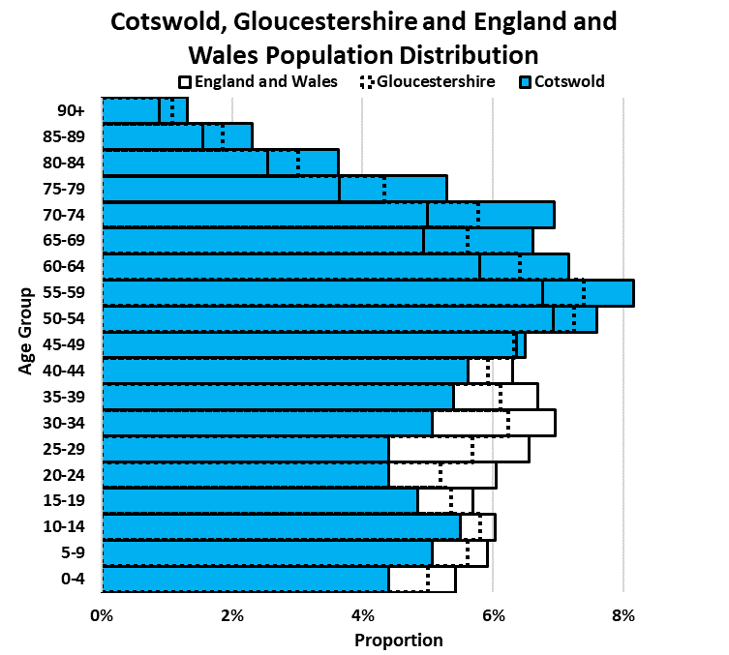

Age Group Change Between 2011 and 2021

 | Cotswold |  |  |  | Gloucestershire |  |  |  | South West |  |  |  | England |  |  |  | England and Wales
 | All persons |  |  |  | All persons |  |  |  | All persons |  |  |  | All persons |  |  |  | All persons
 | 2011 | 2021 | Net change 2011-2021 | % change 2011-2021 | 2011 | 2021 | Net change 2011-2021 | % change 2011-2021 | 2011 | 2021 | Net change 2011-2021 | % change 2011-2021 | 2011 | 2021 | Net change 2011-2021 | % change 2011-2021 | 2011 | 2021 | Net change 2011-2021 | % change 2011-2021
All Ages | 82,881 | 90,800 | 7,919 | 9.6% | 596,984 | 645,100 | 48,116 | 8.1% | 5,288,935 | 5,701,200 | 412,265 | 7.8% | 53,012,456 | 56,489,800 | 3,477,344 | 6.6% | 56,075,912 | 59,597,300 | 3,521,388 | 6.3%
0-4 | 3,929 | 4,000 | 71 | 1.8% | 33,438 | 32,300 | -1,138 | -3.4% | 296,094 | 274,400 | -21,694 | -7.3% | 3,318,449 | 3,077,000 | -241,449 | -7.3% | 3,496,750 | 3,232,100 | -264,650 | -7.6%
5-9 | 4,126 | 4,600 | 474 | 11.5% | 31,540 | 36,200 | 4,660 | 14.8% | 272,689 | 311,100 | 38,411 | 14.1% | 2,972,632 | 3,348,600 | 375,968 | 12.6% | 3,135,711 | 3,524,600 | 388,889 | 12.4%
10-14 | 4,746 | 5,000 | 254 | 5.4% | 34,479 | 37,400 | 2,921 | 8.5% | 296,892 | 319,600 | 22,708 | 7.6% | 3,080,929 | 3,413,100 | 332,171 | 10.8% | 3,258,677 | 3,595,900 | 337,223 | 10.3%
15-19 | 4,801 | 4,400 | -401 | -8.4% | 37,131 | 34,600 | -2,531 | -6.8% | 328,077 | 313,600 | -14,477 | -4.4% | 3,340,265 | 3,218,900 | -121,365 | -3.6% | 3,539,385 | 3,394,700 | -144,685 | -4.1%
20-24 | 3,837 | 4,000 | 163 | 4.2% | 34,958 | 33,500 | -1,458 | -4.2% | 333,166 | 332,200 | -966 | -0.3% | 3,595,321 | 3,414,400 | -180,921 | -5.0% | 3,807,245 | 3,602,100 | -205,145 | -5.4%
25-29 | 3,416 | 4,000 | 584 | 17.1% | 33,994 | 36,700 | 2,706 | 8.0% | 307,159 | 332,200 | 25,041 | 8.2% | 3,650,881 | 3,715,400 | 64,519 | 1.8% | 3,836,609 | 3,901,800 | 65,191 | 1.7%
30-34 | 3,502 | 4,600 | 1,098 | 31.4% | 33,384 | 40,200 | 6,816 | 20.4% | 296,791 | 355,900 | 59,109 | 19.9% | 3,509,221 | 3,952,600 | 443,379 | 12.6% | 3,683,915 | 4,148,800 | 464,885 | 12.6%
35-39 | 4,926 | 4,900 | -26 | -0.5% | 37,985 | 39,500 | 1,515 | 4.0% | 322,364 | 344,100 | 21,736 | 6.7% | 3,549,116 | 3,795,400 | 246,284 | 6.9% | 3,732,161 | 3,981,600 | 249,439 | 6.7%
40-44 | 6,201 | 5,100 | -1,101 | -17.8% | 44,670 | 38,200 | -6,470 | -14.5% | 375,538 | 329,500 | -46,038 | -12.3% | 3,885,934 | 3,580,400 | -305,534 | -7.9% | 4,099,089 | 3,755,700 | -343,389 | -8.4%
45-49 | 6,564 | 5,900 | -664 | -10.1% | 45,835 | 40,800 | -5,035 | -11.0% | 389,583 | 349,300 | -40,283 | -10.3% | 3,879,815 | 3,602,600 | -277,215 | -7.1% | 4,100,526 | 3,788,700 | -311,826 | -7.6%
50-54 | 6,182 | 6,900 | 718 | 11.6% | 41,219 | 46,700 | 5,481 | 13.3% | 350,433 | 397,200 | 46,767 | 13.3% | 3,400,095 | 3,907,700 | 507,605 | 14.9% | 3,601,694 | 4,123,400 | 521,706 | 14.5%
55-59 | 5,783 | 7,400 | 1,617 | 28.0% | 37,257 | 47,700 | 10,443 | 28.0% | 323,198 | 406,900 | 83,702 | 25.9% | 2,996,992 | 3,806,300 | 809,308 | 27.0% | 3,183,915 | 4,029,000 | 845,085 | 26.5%
60-64 | 6,379 | 6,500 | 121 | 1.9% | 39,739 | 41,400 | 1,661 | 4.2% | 361,507 | 361,600 | 93 | 0.0% | 3,172,277 | 3,256,100 | 83,823 | 2.6% | 3,377,162 | 3,455,700 | 78,538 | 2.3%
65-69 | 5,280 | 6,000 | 720 | 13.6% | 32,393 | 36,200 | 3,807 | 11.8% | 297,440 | 323,800 | 26,360 | 8.9% | 2,508,154 | 2,767,500 | 259,346 | 10.3% | 2,674,161 | 2,945,100 | 270,939 | 10.1%
70-74 | 4,146 | 6,300 | 2,154 | 52.0% | 25,817 | 37,300 | 11,483 | 44.5% | 235,462 | 342,900 | 107,438 | 45.6% | 2,044,129 | 2,796,600 | 752,471 | 36.8% | 2,178,672 | 2,978,000 | 799,328 | 36.7%
75-79 | 3,492 | 4,800 | 1,308 | 37.5% | 20,823 | 28,000 | 7,177 | 34.5% | 195,666 | 256,300 | 60,634 | 31.0% | 1,669,345 | 2,038,800 | 369,455 | 22.1% | 1,777,547 | 2,170,300 | 392,753 | 22.1%
80-84 | 2,789 | 3,300 | 511 | 18.3% | 16,153 | 19,400 | 3,247 | 20.1% | 153,093 | 174,500 | 21,407 | 14.0% | 1,258,773 | 1,427,900 | 169,127 | 13.4% | 1,338,005 | 1,517,000 | 178,995 | 13.4%
85-89 | 1,816 | 2,100 | 284 | 15.6% | 10,671 | 12,000 | 1,329 | 12.5% | 99,900 | 109,400 | 9,500 | 9.5% | 776,311 | 872,200 | 95,889 | 12.4% | 825,671 | 925,100 | 99,429 | 12.0%
90+ | 966 | 1,200 | 234 | 24.2% | 5,498 | 7,000 | 1,502 | 27.3% | 53,883 | 66,700 | 12,817 | 23.8% | 403,817 | 498,200 | 94,383 | 23.4% | 429,017 | 527,900 | 98,883 | 23.0%
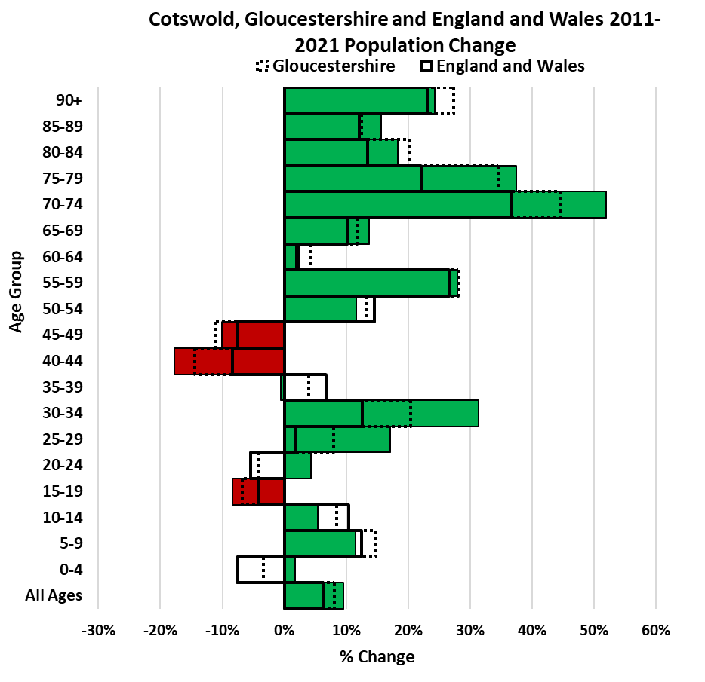

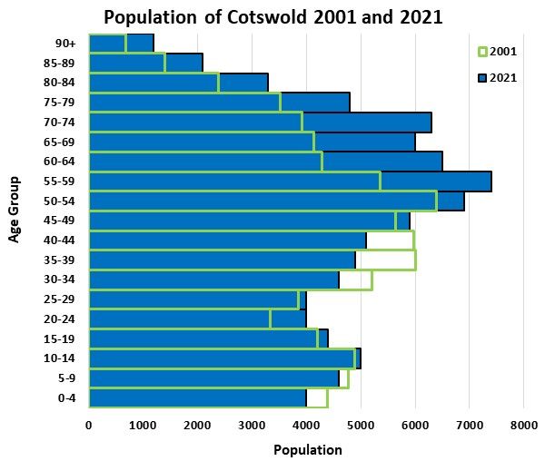
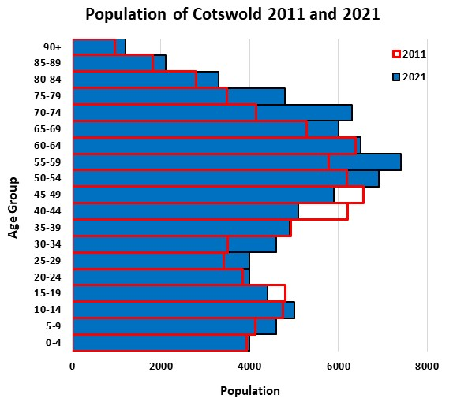

Sex and Age Structure
Sex and Age Structure

Number of People by Gender and 5-year Age Group in 2011 and 2021

 | Cotswold |  |  |  |  |  | Gloucestershire |  |  |  |  |  | South West |  |  |  |  |  | England |  |  |  |  |  | England and Wales
 | All Persons |  | Males |  | Females |  | All Persons |  | Males |  | Females |  | All Persons |  | Males |  | Females |  | All Persons |  | Males |  | Females |  | All Persons |  | Males |  | Females
 | 2011 | 2021 | 2011 | 2021 | 2011 | 2021 | 2011 | 2021 | 2011 | 2021 | 2011 | 2021 | 2011 | 2021 | 2011 | 2021 | 2011 | 2021 | 2011 | 2021 | 2011 | 2021 | 2011 | 2021 | 2011 | 2021 | 2011 | 2021 | 2011 | 2021
All Ages | 82,881 | 90,800 | 40,104 | 43,800 | 42,777 | 47,100 | 596,984 | 645,100 | 292,586 | 315,300 | 304,398 | 329,800 | 5,288,935 | 5,701,200 | 2,590,608 | 2,789,600 | 2,698,327 | 2,911,600 | 53,012,456 | 56,489,800 | 26,069,148 | 27,656,300 | 26,943,308 | 28,833,500 | 56,075,912 | 59,597,300 | 27,573,376 | 29,177,200 | 28,502,536 | 30,420,100
0-4 | 3,929 | 4,000 | 2,005 | 2,100 | 1,924 | 1,900 | 33,438 | 32,300 | 17,005 | 16,700 | 16,433 | 15,600 | 296,094 | 274,400 | 151,313 | 140,800 | 144,781 | 133,600 | 3,318,449 | 3,077,000 | 1,698,171 | 1,575,400 | 1,620,278 | 1,501,600 | 3,496,750 | 3,232,100 | 1,789,744 | 1,654,800 | 1,707,006 | 1,577,300
5-9 | 4,126 | 4,600 | 2,108 | 2,300 | 2,018 | 2,300 | 31,540 | 36,200 | 16,134 | 18,500 | 15,406 | 17,700 | 272,689 | 311,100 | 139,868 | 159,400 | 132,821 | 151,600 | 2,972,632 | 3,348,600 | 1,521,271 | 1,714,200 | 1,451,361 | 1,634,400 | 3,135,711 | 3,524,600 | 1,604,914 | 1,804,200 | 1,530,797 | 1,720,400
10-14 | 4,746 | 5,000 | 2,451 | 2,500 | 2,295 | 2,500 | 34,479 | 37,400 | 17,658 | 18,900 | 16,821 | 18,500 | 296,892 | 319,600 | 151,800 | 163,200 | 145,092 | 156,400 | 3,080,929 | 3,413,100 | 1,577,011 | 1,749,000 | 1,503,918 | 1,664,100 | 3,258,677 | 3,595,900 | 1,668,191 | 1,842,800 | 1,590,486 | 1,753,100
15-19 | 4,801 | 4,400 | 2,444 | 2,200 | 2,357 | 2,200 | 37,131 | 34,600 | 19,027 | 17,400 | 18,104 | 17,200 | 328,077 | 313,600 | 168,024 | 160,800 | 160,053 | 152,900 | 3,340,265 | 3,218,900 | 1,706,618 | 1,650,800 | 1,633,647 | 1,568,100 | 3,539,385 | 3,394,700 | 1,808,009 | 1,741,500 | 1,731,376 | 1,653,100
20-24 | 3,837 | 4,000 | 1,954 | 2,100 | 1,883 | 1,900 | 34,958 | 33,500 | 17,414 | 17,000 | 17,544 | 16,500 | 333,166 | 332,200 | 170,390 | 169,500 | 162,776 | 162,700 | 3,595,321 | 3,414,400 | 1,810,404 | 1,712,900 | 1,784,917 | 1,701,500 | 3,807,245 | 3,602,100 | 1,919,169 | 1,808,800 | 1,888,076 | 1,793,300
...
 | 6,564 | 5,900 | 3,153 | 2,800 | 3,411 | 3,100 | 45,835 | 40,800 | 22,446 | 20,000 | 23,389 | 20,900 | 389,583 | 349,300 | 192,130 | 170,900 | 197,453 | 178,400 | 3,879,815 | 3,602,600 | 1,919,758
50-54 | 6,182 | 6,900 | 2,948 | 3,300 | 3,234 | 3,600 | 41,219 | 46,700 | 20,297 | 22,800 | 20,922 | 23,900 | 350,433 | 397,200 | 172,599 | 194,200 | 177,834 | 203,100 | 3,400,095 | 3,907,700 | 1,687,729
55-59 | 5,783 | 7,400 | 2,824 | 3,600 | 2,959 | 3,800 | 37,257 | 47,700 | 18,427 | 23,400 | 18,830 | 24,300 | 323,198 | 406,900 | 157,923 | 199,000 | 165,275 | 207,800 | 2,996,992 | 3,806,300 | 1,481,745
60-64 | 6,379 | 6,500 | 3,115 | 3,100 | 3,264 | 3,400 | 39,739 | 41,400 | 19,322 | 20,400 | 20,417 | 21,000 | 361,507 | 361,600 | 176,244 | 176,600 | 185,263 | 185,000 | 3,172,277 | 3,256,100 | 1,557,140
65-69 | 5,280 | 6,000 | 2,561 | 2,900 | 2,719 | 3,100 | 32,393 | 36,200 | 15,622 | 17,500 | 16,771 | 18,700 | 297,440 | 323,800 | 144,901 | 155,900 | 152,539 | 167,900 | 2,508,154 | 2,767,500 | 1,217,965
70-74 | 4,146 | 6,300 | 2,005 | 3,000 | 2,141 | 3,300 | 25,817 | 37,300 | 12,564 | 17,900 | 13,253 | 19,400 | 235,462 | 342,900 | 112,610 | 164,200 | 122,852 | 178,700 | 2,044,129 | 2,796,600 | 967,953
75-79 | 3,492 | 4,800 | 1,571 | 2,300 | 1,921 | 2,600 | 20,823 | 28,000 | 9,337 | 13,200 | 11,486 | 14,900 | 195,666 | 256,300 | 89,365 | 120,500 | 106,301 | 135,900 | 1,669,345 | 2,038,800 | 755,703
80-84 | 2,789 | 3,300 | 1,145 | 1,500 | 1,644 | 1,800 | 16,153 | 19,400 | 6,724 | 8,900 | 9,429 | 10,500 | 153,093 | 174,500 | 64,139 | 78,400 | 88,954 | 96,100 | 1,258,773 | 1,427,900 | 519,650
85-89 | 1,816 | 2,100 | 665 | 900 | 1,151 | 1,200 | 10,671 | 12,000 | 3,784 | 4,800 | 6,887 | 7,200 | 99,900 | 109,400 | 35,642 | 44,900 | 64,258 | 64,600 | 776,311 | 872,200 | 275,459
90+ | 966 | 1,200 | 273 | 400 | 693 | 800 | 5,498 | 7,000 | 1,495 | 2,200 | 4,003 | 4,800 | 53,883 | 66,700 | 14,765 | 21,700 | 39,118 | 45,000 | 403,817 | 498,200 | 108,109
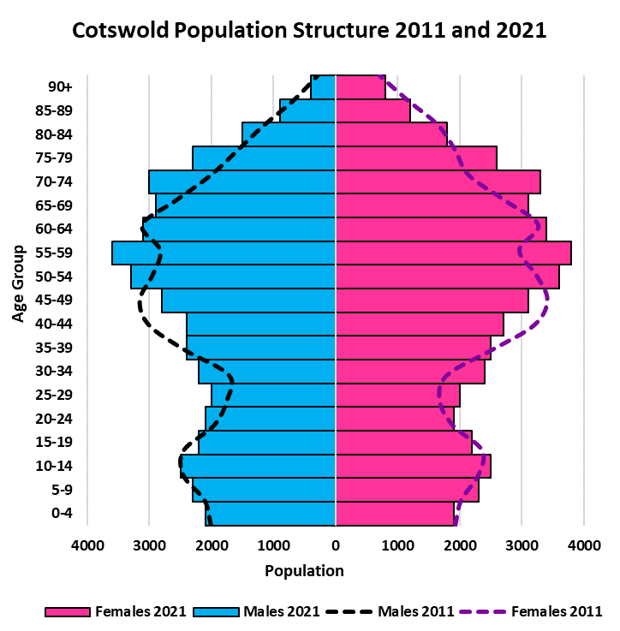
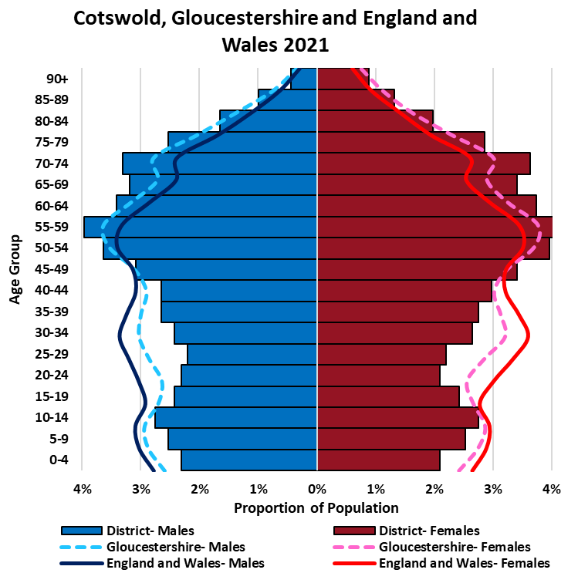

Dependency Ratios
...
Dependency ratios are a measure that indicate the level of support that needs to be provided by the working population (20-64 year olds) to the younger (0-19 year olds) and older population (65+ year olds). A low dependency ratio indicates that there is a sufficient ratio of the working population to the dependent population. In contrast, a high dependency ratio indicates there may be more financial burden on the working population to support the dependent population. A dependency ratio of 0.85 means that for every 100 people of working age there is 85 dependents.
Old-age dependency ratios are calculated by dividing the population aged 65+ by the working age population, and then multiplying by 100 to indicate the number of old-age dependents per 100 working-age people. Likewise, the youth dependency ratio uses the same formula to indicate the number of young people aged 0-19 who are dependent on every 100 people of working age.
Dependency ratios only provide a rough indication of the level of support needed to sustain the dependent population and should not be used on their own. As the retirement age increases, the dependency ratio should change.

Dependency Ratio Change Between 2011 and 2021

 | Cotswold |  | Gloucestershire |  | South West |  | England |  | England and Wales
 | 2011 | 2021 | 2011 | 2021 | 2011 | 2021 | 2011 | 2021 | 2011 | 2021
Dependency Ratio | 0.77 | 0.85 | 0.71 | 0.77 | 0.73 | 0.78 | 0.68 | 0.71 | 0.68 | 0.71
Old-age Dependency Ratio | 0.40 | 0.48 | 0.32 | 0.38 | 0.34 | 0.40 | 0.27 | 0.31 | 0.28 | 0.32
Youth Dependency Ratio | 0.38 | 0.37 | 0.39 | 0.39 | 0.39 | 0.38 | 0.40 | 0.40 | 0.40 | 0.40

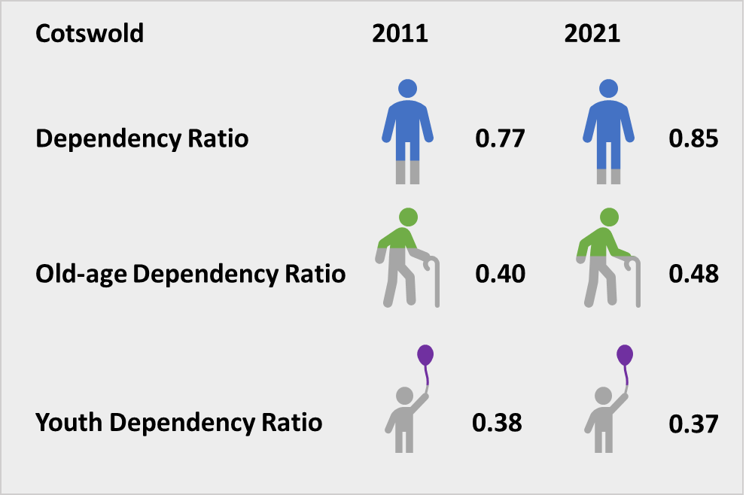
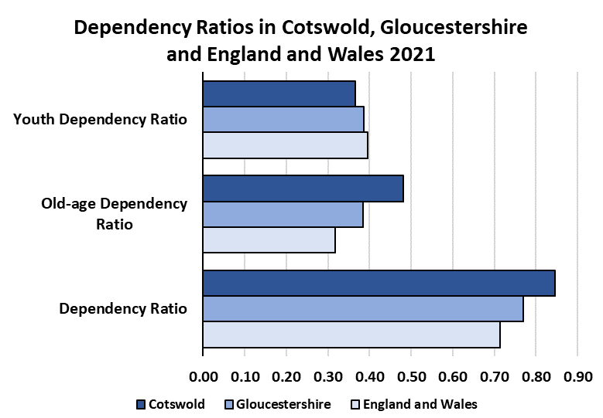

Households
...
Household Change Between 2011 and 2021

 | 2011 Households | 2021 Households | Net change 2011-2021 | % change 2011-2021
Cotswold | 36,236 | 40,600 | 4,364 | 12.0%
Gloucestershire | 254,615 | 279,400 | 24,785 | 9.7%
South West | 2,264,641 | 2,448,800 | 184,159 | 8.1%
England | 22,063,368 | 23,435,700 | 1,372,332 | 6.2%
England and Wales | 23,366,044 | 24,782,800 | 1,416,756 | 6.1%
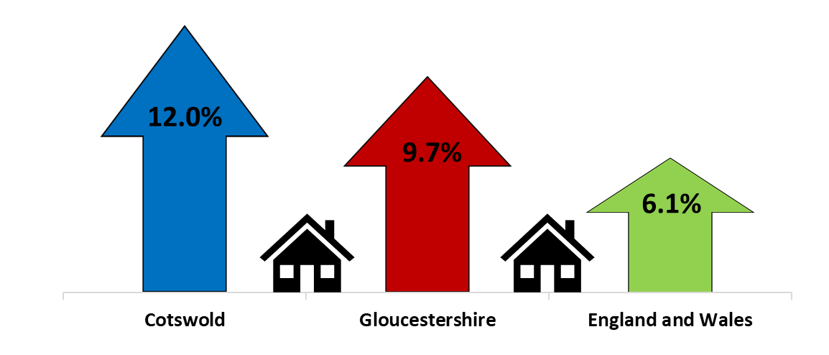

Population Density
...
 | Number of usual residents per square kilometre, 2011 | Number of usual residents per square kilometre, 2021 | Net change 2011-2021 | % change 2011-2021
Cotswold | 71 | 78 | 7 | 9.9%
Gloucestershire | 225 | 243 | 18 | 8.0%
South West | 222 | 239 | 17 | 7.7%
England | 407 | 434 | 27 | 6.6%
England and Wales | 371 | 395 | 24 | 6.5%

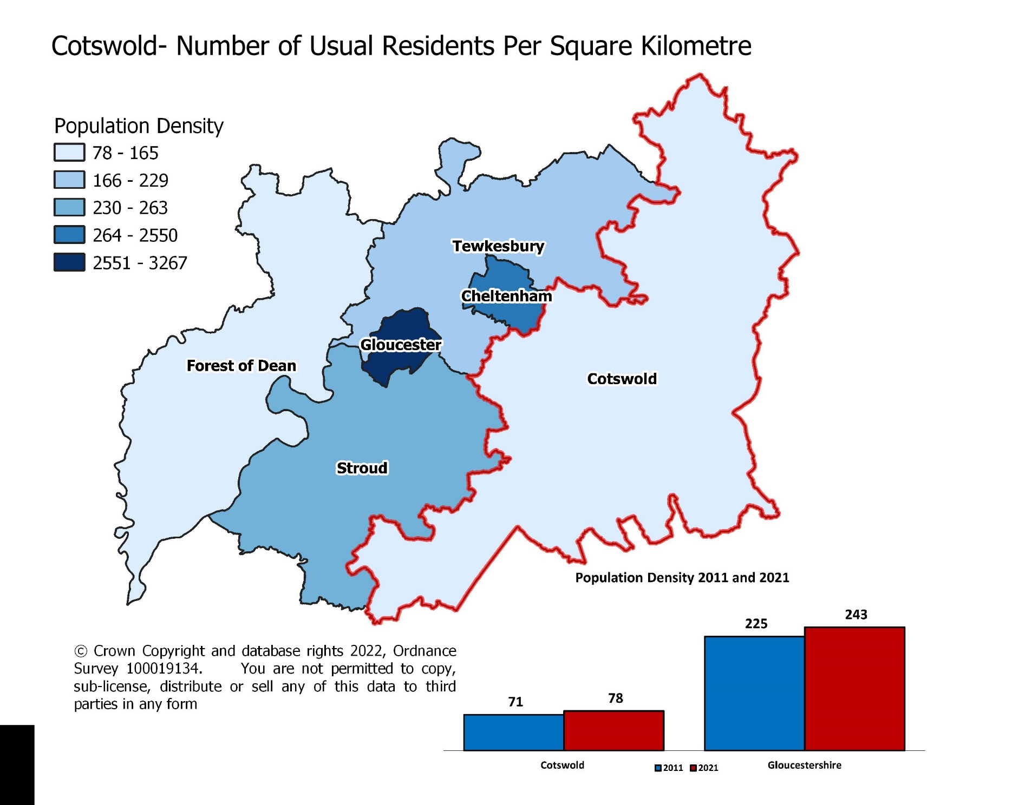
Cotswold's population density is equivalent to around 0.5 people per football pitch

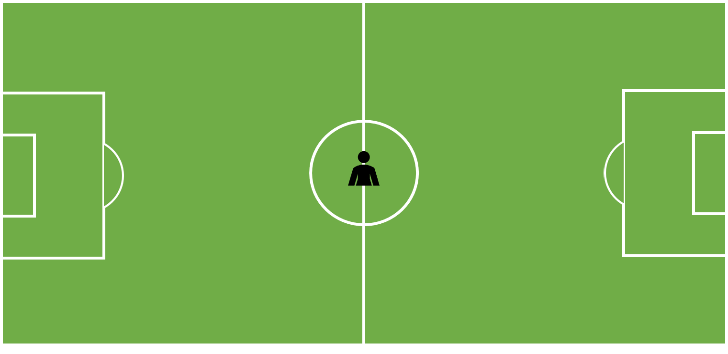

Mid-2020 Pop Comparison
Between censuses the ONS produces mid-year estimates. These estimates are produced by updating a census base using a standard demographic method, the cohort component method, and the usually resident population. The previous year’s resident population, by single year of age, is aged by one year, and then flows are applied to cover births, deaths, immigration, emigration and people entering and leaving "special populations" such as people in prisons or the armed forces. All population estimates are subject to a degree of uncertainty and that uncertainty increases over the decade between the censuses.
The data in this worksheet indicates the difference between the Census 2021 and the estimated mid-population estimates 2020. The ONS is planning to revise the mid-population estimates data in the upcoming months.
...
 |  |  |  |  |  | 2021 Census | Net Difference | % Difference
 |  |  |  |  |  | 645,100 | 4,450 | 0.7%
 |  |  |  |  |  | 32,300 | -1,105 | -3.3%
 |  |  |  |  |  | 36,200 | -1,417 | -3.8%
 |  |  |  |  |  | 37,400 | 155 | 0.4%
 |  |  |  |  |  | 34,600 | -1 | 0.0%
 |  |  |  |  |  | 33,500 | 243 | 0.7%
 |  |  |  |  |  | 36,700 | 2,277 | 6.6%
 |  |  |  |  |  | 40,200 | 2,793 | 7.5%
 |  |  |  |  |  | 39,500 | 986 | 2.6%
 |  |  |  |  |  | 38,200 | 846 | 2.3%
 |  |  |  |  |  | 40,800 | -1,680 | -4.0%
 |  |  |  |  |  | 46,700 | -652 | -1.4%
55-59 | 7,220 | 7,400 | 180 | 2.5% | 47,019 | 47,700 | 681 | 1.4%
60-64 | 6,389 | 6,500 | 111 | 1.7% | 40,556 | 41,400 | 844 | 2.1%
65-69 | 6,135 | 6,000 | -135 | -2.2% | 36,838 | 36,200 | -638 | -1.7%
70-74 | 6,329 | 6,300 | -29 | -0.5% | 37,485 | 37,300 | -185 | -0.5%
75-79 | 4,656 | 4,800 | 144 | 3.1% | 27,404 | 28,000 | 596 | 2.2%
80-84 | 3,293 | 3,300 | 7 | 0.2% | 19,220 | 19,400 | 180 | 0.9%
85-89 | 2,051 | 2,100 | 49 | 2.4% | 11,815 | 12,000 | 185 | 1.6%
90 and over | 1,194 | 1,200 | 6 | 0.5% | 6,658 | 7,000 | 342 | 5.1%

