Population Pyramids
Population pyramids showing population change by 5-year age groups, mid-2024, mid-2019 and mid-2014
Source: Mid-2014 - Mid-2024 Population Estimates, Office for National Statistics
Adapted from data from the Office for National Statistics licensed under the Open Government Licence v.3.0.

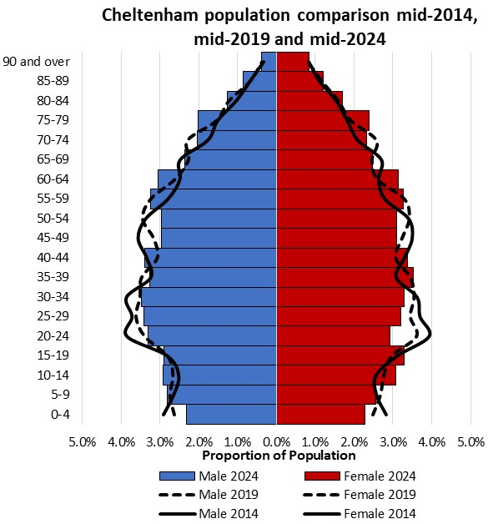
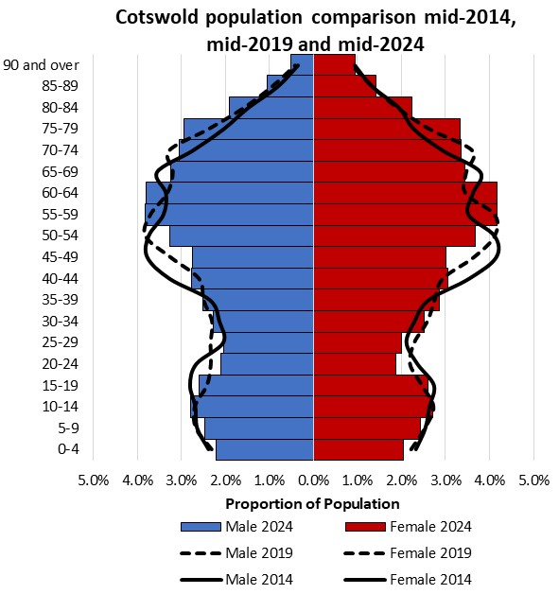
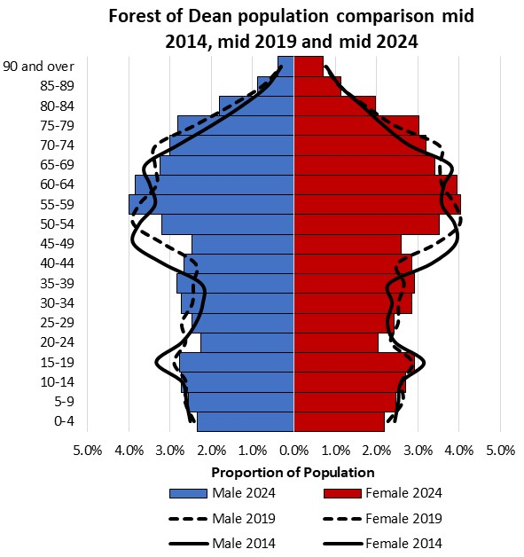

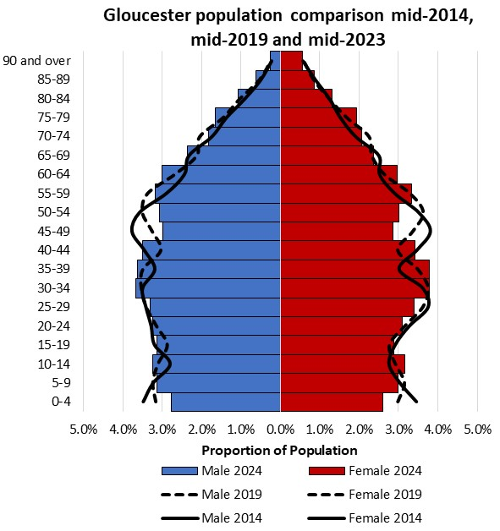
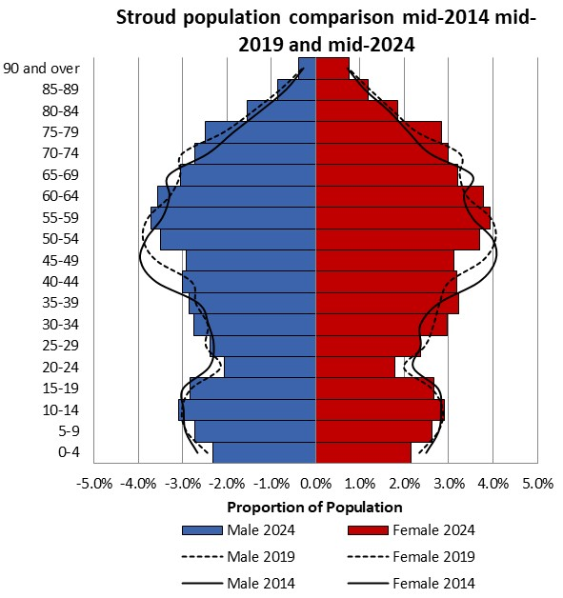
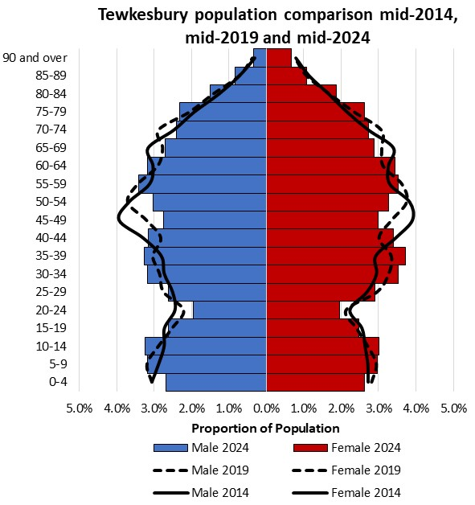

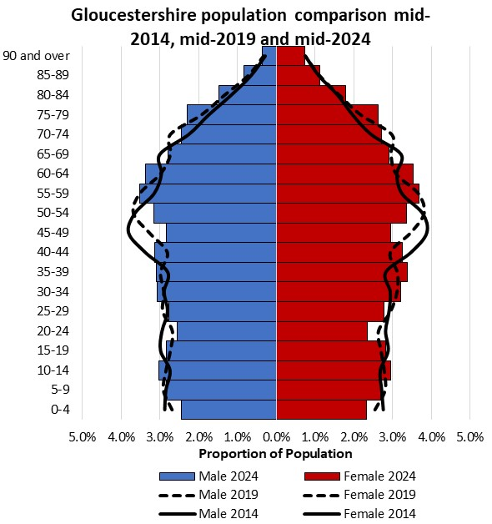
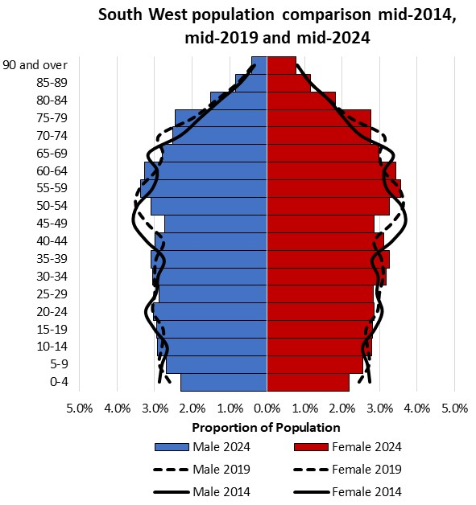
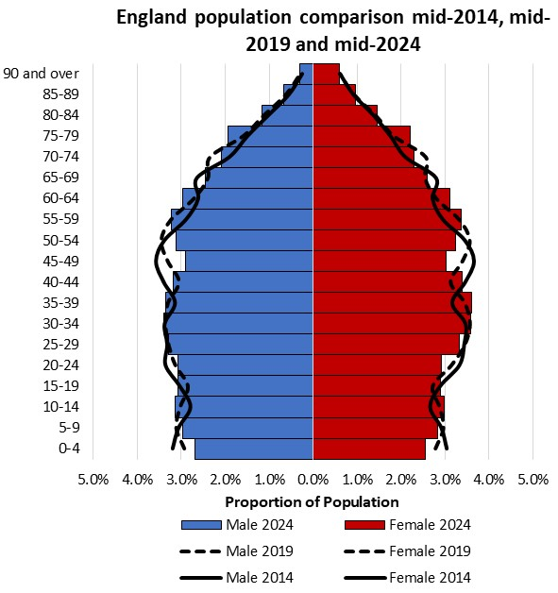

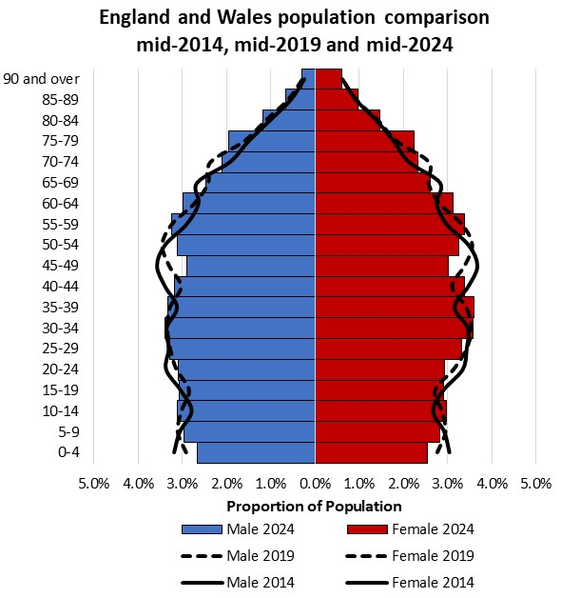

Components of change - graphs
Components of population change 2014/15 to 2023/24

Source: Mid-2014 and Mid-2024 Population Estimates, Office for National Statistics
Adapted from data from the Office for National Statistics licensed under the Open Government Licence v.3.0.

* Special populations refers to static populations who are not captured by the internal and international migration estimates, for example, prisons and the armed forces; the adjustments account for movement between these areas.
# Figures may not sum to the total population change due to the impact of unallocated population change

