Total Population
Total Population

Population Change by Gender in 2011 and 2021

 | 2011 |  |  | 2021 |  |  | Net change 2011-2021 |  |  | % change 2011-2021
 | All persons | Males | Females | All persons | Males | Females | All persons | Males | Females | All persons | Males | Females
Cheltenham | 115,732 | 56,512 | 59,220 | 118,800 | 58,100 | 60,700 | 3,068 | 1,588 | 1,480 | 2.7% | 2.8% | 2.5%
Cotswold | 82,881 | 40,104 | 42,777 | 90,800 | 43,800 | 47,100 | 7,919 | 3,696 | 4,323 | 9.6% | 9.2% | 10.1%
Forest of Dean | 81,961 | 40,272 | 41,689 | 87,000 | 42,600 | 44,400 | 5,039 | 2,328 | 2,711 | 6.1% | 5.8% | 6.5%
Gloucester | 121,688 | 60,104 | 61,584 | 132,500 | 65,500 | 67,000 | 10,812 | 5,396 | 5,416 | 8.9% | 9.0% | 8.8%
Stroud | 112,779 | 55,514 | 57,265 | 121,100 | 59,200 | 61,900 | 8,321 | 3,686 | 4,635 | 7.4% | 6.6% | 8.1%
Tewkesbury | 81,943 | 40,080 | 41,863 | 94,900 | 46,100 | 48,800 | 12,957 | 6,020 | 6,937 | 15.8% | 15.0% | 16.6%
Gloucestershire | 596,984 | 292,586 | 304,398 | 645,100 | 315,300 | 329,800 | 48,116 | 22,714 | 25,402 | 8.1% | 7.8% | 8.3%
South West | 5,288,935 | 2,590,608 | 2,698,327 | 5,701,200 | 2,789,600 | 2,911,600 | 412,265 | 198,992 | 213,273 | 7.8% | 7.7% | 7.9%
England | 53,012,456 | 26,069,148 | 26,943,308 | 56,489,800 | 27,656,300 | 28,833,500 | 3,477,344 | 1,587,152 | 1,890,192 | 6.6% | 6.1% | 7.0%
England and Wales | 56,075,912 | 27,573,376 | 28,502,536 | 59,597,300 | 29,177,200 | 30,420,100 | 3,521,388 | 1,603,824 | 1,917,564 | 6.3% | 5.8% | 6.7%
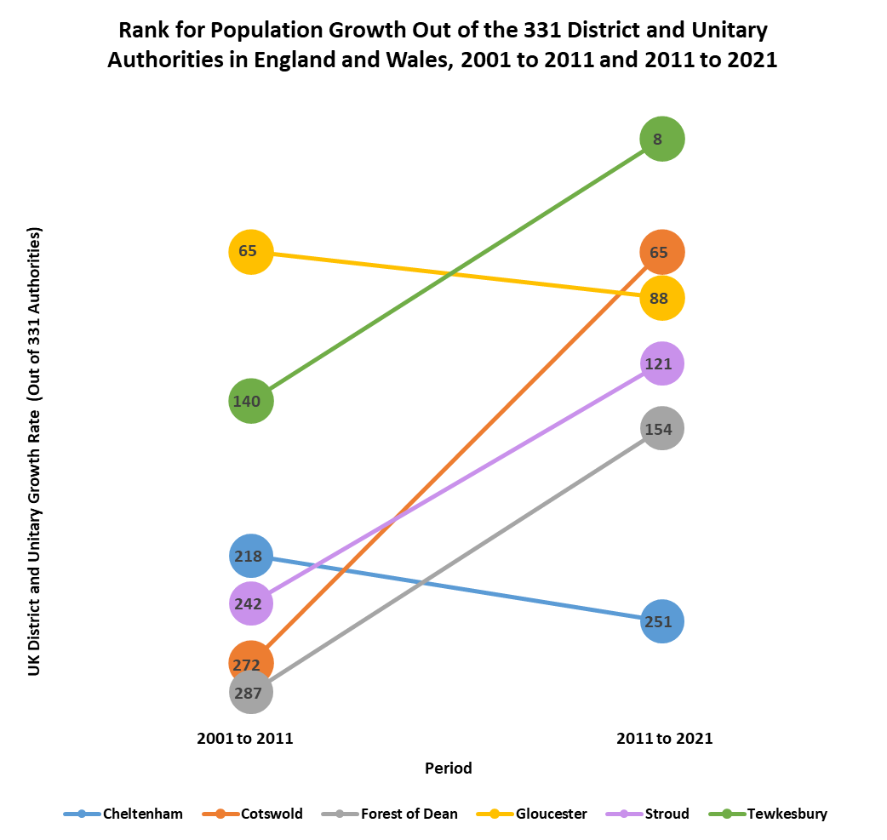

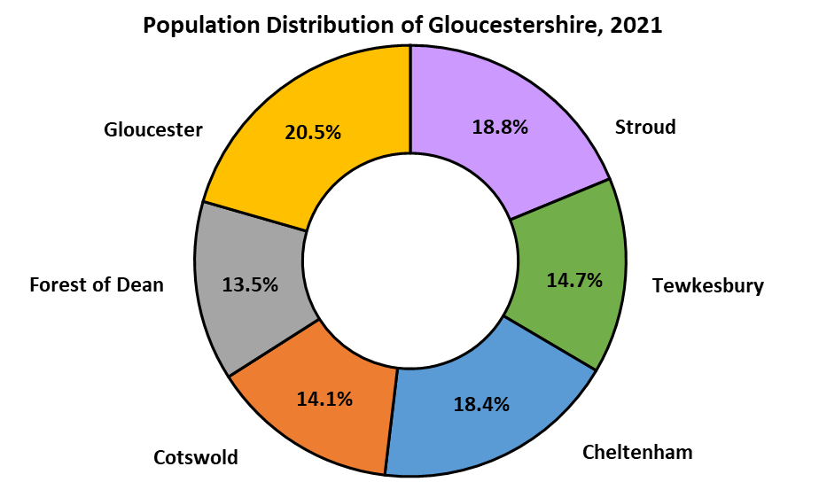

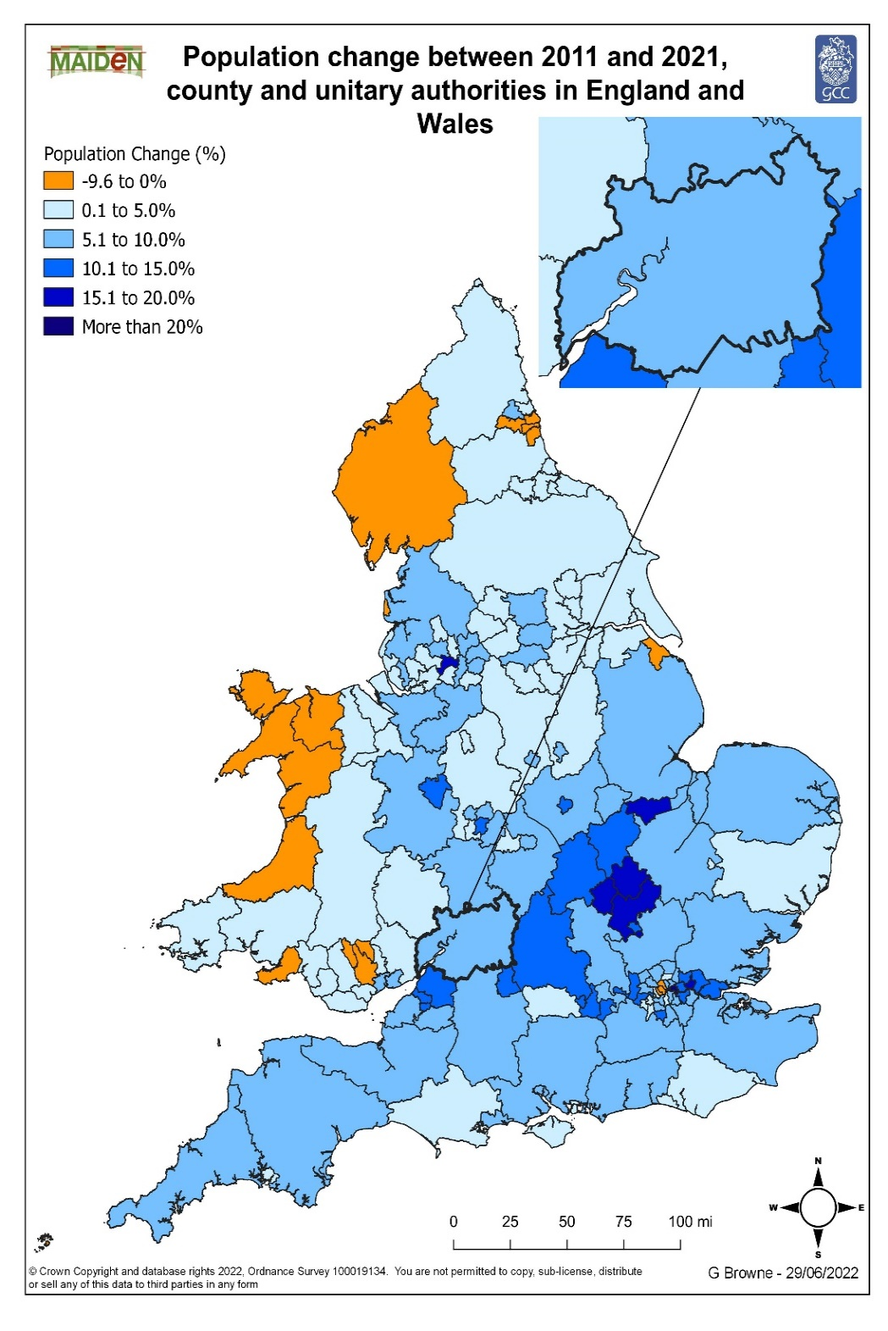
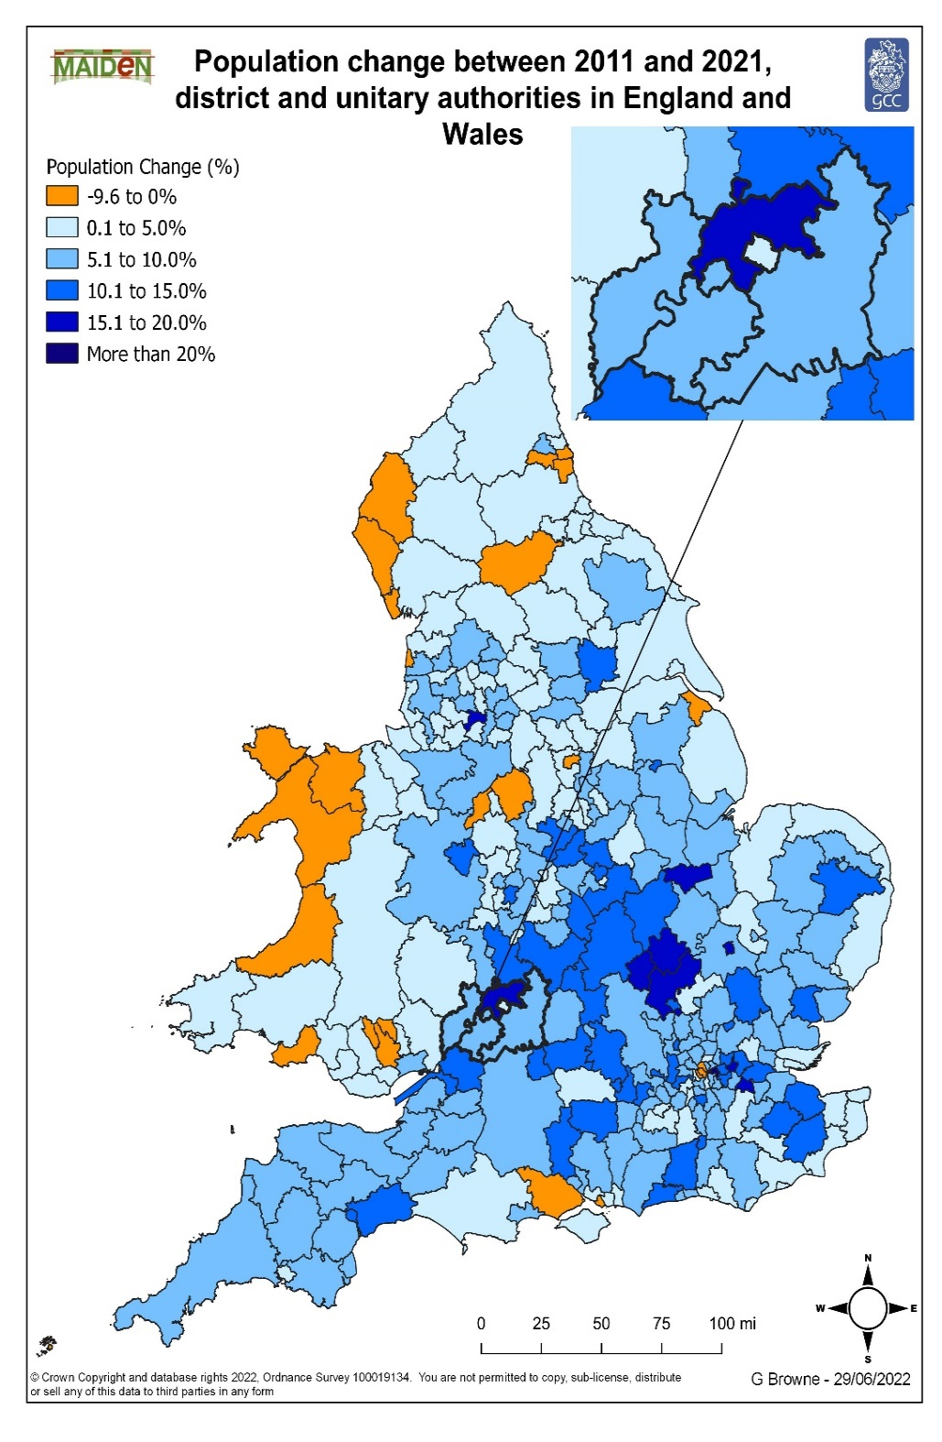

Broad Age Group
Broad Age Groups

Proportion of Population in Each Broad Age Group

 | Cheltenham |  |  | Cotswold |  |  | Forest of Dean |  |  | Gloucester |  |  | Stroud |  |  | Tewkesbury |  |  | Gloucestershire |  |  | South West |  |  | England |  |  | England and Wales
 | All Persons |  |  | All Persons |  |  | All Persons |  |  | All Persons |  |  | All Persons |  |  | All Persons |  |  | All Persons |  |  | All Persons |  |  | All Persons |  |  | All Persons
 | 2001 | 2011 | 2021 | 2001 | 2011 | 2021 | 2001 | 2011 | 2021 | 2001 | 2011 | 2021 | 2001 | 2011 | 2021 | 2001 | 2011 | 2021 | 2001 | 2011 | 2021 | 2001 | 2011 | 2021 | 2001 | 2011 | 2021 | 2001 | 2011 | 2021
0-19 | 23.5% | 22.4% | 21.8% | 22.7% | 21.2% | 19.8% | 24.5% | 22.5% | 20.9% | 26.6% | 25.1% | 23.9% | 24.6% | 23.0% | 21.4% | 23.5% | 22.1% | 22.2% | 24.4% | 22.9% | 21.8% | 23.8% | 22.6% | 21.4% | 25.1% | 24.0% | 23.1% | 25.1% | 24.0% | 23.1%
20-64 | 59.1% | 60.9% | 58.9% | 57.3% | 56.5% | 54.3% | 58.2% | 56.7% | 54.0% | 58.4% | 60.1% | 59.5% | 57.8% | 57.5% | 55.3% | 58.7% | 57.8% | 55.5% | 58.3% | 58.5% | 56.5% | 57.6% | 57.9% | 56.3% | 59.1% | 59.7% | 58.5% | 59.0% | 59.6% | 58.4%
65+ | 17.4% | 16.7% | 19.2% | 20.0% | 22.3% | 26.1% | 17.3% | 20.7% | 24.9% | 15.0% | 14.8% | 16.7% | 17.6% | 19.5% | 23.3% | 17.8% | 20.1% | 22.1% | 17.4% | 18.7% | 21.7% | 18.6% | 19.6% | 22.3% | 15.9% | 16.3% | 18.4% | 16.0% | 16.4% | 18.6%

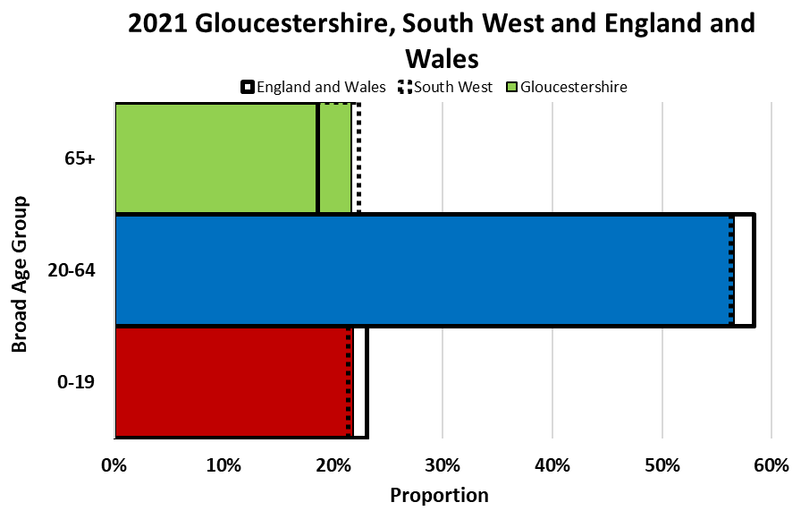
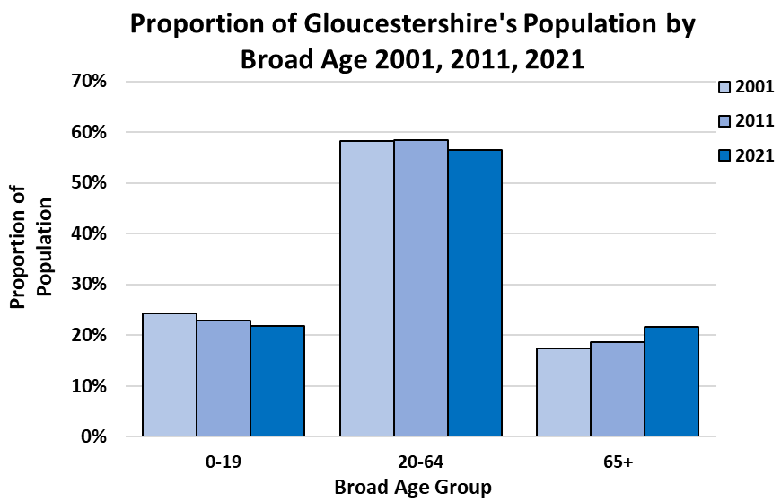

Numbers in Each Broad Age Group

 | Cheltenham |  |  |  | Cotswold |  |  |  | Forest of Dean |  |  |  | Gloucester |  |  |  | Stroud |  |  |  | Tewkesbury |  |  |  | Gloucestershire |  |  |  | South West |  |  |  | England |  |  |  | England and Wales
 | All persons |  |  |  | All persons |  |  |  | All persons |  |  |  | All persons |  |  |  | All persons |  |  |  | All persons |  |  |  | All persons |  |  |  | All persons |  |  |  | All persons |  |  |  | All persons
 | 2011 | 2021 | Net change 2011-2021 | % change 2011-2021 | 2011 | 2021 | Net change 2011-2021 | % change 2011-2021 | 2011 | 2021 | Net change 2011-2021 | % change 2011-2021 | 2011 | 2021 | Net change 2011-2021 | % change 2011-2021 | 2011 | 2021 | Net change 2011-2021 | % change 2011-2021 | 2021 | 2011 | Net change 2011-2021 | % change 2011-2021 | 2011 | 2021 | Net change 2011-2021 | % change 2011-2021 | 2011 | 2021 | Net change 2011-2021 | % change 2011-2021 | 2011 | 2021 | Net change 2011-2021 | % change 2011-2021 | 2011 | 2021 | Net change 2011-2021 | % change 2011-2021
All Ages | 115,732 | 118,800 | 3,068 | 2.7% | 82,881 | 90,800 | 7,919 | 9.6% | 81,961 | 87,000 | 5,039 | 6.1% | 121,688 | 132,500 | 10,812 | 8.9% | 112,779 | 121,100 | 8,321 | 7.4% | 94,900 | 81,943 | 12,957 | 15.8% | 596,984 | 645,100 | 48,116 | 8.1% | 5,288,935 | 5,701,200 | 412,265 | 7.8% | 53,012,456 | 56,489,800 | 3,477,344 | 6.6% | 56,075,912 | 59,597,300 | 3,521,388 | 6.3%
0-19 | 25,932 | 25,900 | -32 | -0.1% | 17,602 | 18,000 | 398 | 2.3% | 18,471 | 18,200 | -271 | -1.5% | 30,529 | 31,700 | 1,171 | 3.8% | 25,955 | 25,900 | -55 | -0.2% | 21,100 | 18,099 | 3,001 | 16.6% | 136,588 | 140,500 | 3,912 | 2.9% | 1,193,752 | 1,218,700 | 24,948 | 2.1% | 12,712,275 | 13,057,600 | 345,325 | 2.7% | 13,430,523 | 13,747,300 | 316,777 | 2.4%
20-64 | 70,471 | 70,000 | -471 | -0.7% | 46,790 | 49,300 | 2,510 | 5.4% | 46,504 | 47,000 | 496 | 1.1% | 73,094 | 78,800 | 5,706 | 7.8% | 64,847 | 67,000 | 2,153 | 3.3% | 52,700 | 47,335 | 5,365 | 11.3% | 349,041 | 364,700 | 15,659 | 4.5% | 3,059,739 | 3,208,900 | 149,161 | 4.9% | 31,639,652 | 33,030,900 | 1,391,248 | 4.4% | 33,422,316 | 34,786,800 | 1,364,484 | 4.1%
65+ | 19,329 | 22,800 | 3,471 | 18.0% | 18,489 | 23,700 | 5,211 | 28.2% | 16,986 | 21,700 | 4,714 | 27.8% | 18,065 | 22,100 | 4,035 | 22.3% | 21,977 | 28,200 | 6,223 | 28.3% | 21,000 | 16,509 | 4,491 | 27.2% | 111,355 | 139,900 | 28,545 | 25.6% | 1,035,444 | 1,273,600 | 238,156 | 23.0% | 8,660,529 | 10,401,200 | 1,740,671 | 20.1% | 9,223,073 | 11,063,400 | 1,840,327 | 20.0%

Age Structure
Age Structure

Number of People by 5-year Age Group in 2001, 2011 and 2021

 | Cheltenham |  |  | Cotswold |  |  | Forest of Dean |  |  | Gloucester |  |  | Stroud |  |  | Tewkesbury |  |  | Gloucestershire |  |  | South West |  |  | England |  |  | England and Wales
 | All Persons |  |  | All Persons |  |  | All Persons |  |  | All Persons |  |  | All Persons |  |  | All Persons |  |  | All Persons |  |  | All Persons |  |  | All Persons |  |  | All Persons
 | 2001 | 2011 | 2021 | 2001 | 2011 | 2021 | 2001 | 2011 | 2021 | 2001 | 2011 | 2021 | 2001 | 2011 | 2021 | 2001 | 2011 | 2021 | 2001 | 2011 | 2021 | 2001 | 2011 | 2021 | 2001 | 2011 | 2021 | 2001 | 2011 | 2021
All Ages | 110,008 | 115,732 | 118,800 | 80,364 | 82,881 | 90,800 | 79,982 | 81,961 | 87,000 | 109,892 | 121,688 | 132,500 | 107,894 | 112,779 | 121,100 | 76,388 | 81,943 | 94,900 | 564,563 | 596,984 | 645,100 | 4,928,434 | 5,288,935 | 5,701,200 | 49,138,831 | 53,012,456 | 56,489,800 | 52,041,916 | 56,075,912 | 59,597,300
0-4 | 5,965 | 6,486 | 5,900 | 4,382 | 3,929 | 4,000 | 4,575 | 4,055 | 4,000 | 7,187 | 8,239 | 7,500 | 6,092 | 6,113 | 5,600 | 4,251 | 4,616 | 5,300 | 32,460 | 33,438 | 32,300 | 270,006 | 296,094 | 274,400 | 2,926,238 | 3,318,449 | 3,077,000 | 3,094,141 | 3,496,750 | 3,232,100
5-9 | 6,002 | 5,689 | 6,400 | 4,780 | 4,126 | 4,600 | 4,919 | 4,119 | 4,500 | 7,634 | 7,113 | 8,300 | 6,876 | 6,166 | 6,700 | 4,568 | 4,327 | 5,800 | 34,779 | 31,540 | 36,200 | 294,079 | 272,689 | 311,100 | 3,122,529 | 2,972,632 | 3,348,600 | 3,307,854 | 3,135,711 | 3,524,600
10-14 | 6,859 | 6,201 | 6,900 | 4,887 | 4,746 | 5,000 | 5,221 | 4,779 | 4,600 | 7,810 | 7,274 | 8,200 | 7,310 | 6,791 | 7,300 | 5,070 | 4,688 | 5,500 | 37,149 | 34,479 | 37,400 | 313,752 | 296,892 | 319,600 | 3,229,047 | 3,080,929 | 3,413,100 | 3,425,023 | 3,258,677 | 3,595,900
15-19 | 7,063 | 7,556 | 6,700 | 4,205 | 4,801 | 4,400 | 4,911 | 5,518 | 5,100 | 6,640 | 7,903 | 7,700 | 6,254 | 6,885 | 6,300 | 4,056 | 4,468 | 4,500 | 33,132 | 37,131 | 34,600 | 293,426 | 328,077 | 313,600 | 3,032,604 | 3,340,265 | 3,218,900 | 3,217,308 | 3,539,385 | 3,394,700
20-24 | 8,309 | 9,185 | 7,900 | 3,342 | 3,837 | 4,000 | 3,694 | 4,200 | 4,000 | 5,976 | 8,402 | 8,500 | 4,547 | 5,246 | 5,000 | 3,252 | 4,088 | 4,100 | 29,121 | 34,958 | 33,500 | 264,173 | 333,166 | 332,200 | 2,952,719 | 3,595,321 | 3,414,400 | 3,122,212 | 3,807,245 | 3,602,100
25-29 | 7,457 | 9,324 | 8,100 | 3,858 | 3,416 | 4,000 | 4,029 | 3,601 | 4,400 | 7,130 | 8,720 | 8,900 | 5,351 | 4,910 | 6,100 | 4,274 | 4,023 | 5,200 | 32,104 | 33,994 | 36,700 | 282,280 | 307,159 | 332,200 | 3,268,660 | 3,650,881 | 3,715,400 | 3,435,008 | 3,836,609 | 3,901,800
30-34 | 8,551 | 8,296 | 8,300 | 5,201 | 3,502 | 4,600 | 5,451 | 3,530 | 4,800 | 9,084 | 8,181 | 9,800 | 7,411 | 5,438 | 6,500 | 5,465 | 4,437 | 6,200 | 41,162 | 33,384 | 40,200 | 343,885 | 296,791 | 355,900 | 3,785,611 | 3,509,221 | 3,952,600 | 3,983,921 | 3,683,915 | 4,148,800
35-39 | 8,581 | 7,715 | 8,200 | 6,011 | 4,926 | 4,900 | 5,891 | 4,687 | 4,500 | 9,452 | 8,200 | 9,200 | 8,160 | 7,194 | 6,700 | 5,967 | 5,263 | 6,000 | 44,054 | 37,985 | 39,500 | 367,740 | 322,364 | 344,100 | 3,881,013 | 3,549,116 | 3,795,400 | 4,093,184 | 3,732,161 | 3,981,600
40-44 | 7,394 | 8,022 | 7,600 | 5,969 | 6,201 | 5,100 | 5,520 | 6,120 | 4,300 | 8,074 | 9,232 | 8,400 | 7,855 | 8,815 | 7,100 | 5,571 | 6,280 | 5,800 | 40,391 | 44,670 | 38,200 | 337,550 | 375,538 | 329,500 | 3,460,887 | 3,885,934 | 3,580,400 | 3,656,368 | 4,099,089 | 3,755,700
45-49 | 6,802 | 8,230 | 7,400 | 5,638 | 6,564 | 5,900 | 5,616 | 6,353 | 5,200 | 6,748 | 9,188 | 8,200 | 7,685 | 8,978 | 8,200 | 5,201 | 6,522 | 5,900 | 37,689 | 45,835 | 40,800 | 316,280 | 389,583 | 349,300 | 3,111,565 | 3,879,815 | 3,602,600 | 3,296,053 | 4,100,526 | 3,788,700
50-54 | 7,041 | 7,051 | 7,900 | 6,394 | 6,182 | 6,900 | 6,411 | 5,932 | 6,600 | 6,955 | 7,997 | 9,200 | 8,618 | 8,303 | 9,500 | 5,799 | 5,754 | 6,700 | 41,219 | 41,219 | 46,700 | 358,307 | 350,433 | 397,200 | 3,382,697 | 3,400,095 | 3,907,700 | 3,591,043 | 3,601,694 | 4,123,400
55-59 | 5,862 | 6,263 | 8,000 | 5,355 | 5,783 | 7,400 | 5,374 | 5,700 | 7,000 | 5,911 | 6,589 | 9,000 | 7,061 | 7,671 | 9,400 | 5,096 | 5,251 | 6,900 | 34,672 | 37,257 | 47,700 | 307,676 | 323,198 | 406,900 | 2,785,431 | 2,996,992 | 3,806,300 | 2,962,273 | 3,183,915 | 4,029,000
60-64 | 5,022 | 6,385 | 6,600 | 4,286 | 6,379 | 6,500 | 4,531 | 6,381 | 6,200 | 4,849 | 6,585 | 7,600 | 5,668 | 8,292 | 8,500 | 4,248 | 5,717 | 5,900 | 28,613 | 39,739 | 41,400 | 260,165 | 361,507 | 361,600 | 2,391,830 | 3,172,277 | 3,256,100 | 2,544,754 | 3,377,162 | 3,455,700
65-69 | 4,594 | 5,090 | 5,600 | 4,135 | 5,280 | 6,000 | 3,911 | 5,290 | 5,800 | 4,372 | 5,324 | 5,900 | 4,978 | 6,574 | 7,400 | 3,634 | 4,835 | 5,400 | 25,629 | 32,393 | 36,200 | 238,854 | 297,440 | 323,800 | 2,154,023 | 2,508,154 | 2,767,500 | 2,292,482 | 2,674,161 | 2,945,100
70-74 | 4,509 | 4,321 | 5,800 | 3,918 | 4,146 | 6,300 | 3,357 | 4,090 | 6,000 | 4,270 | 4,152 | 5,700 | 4,608 | 5,107 | 7,700 | 3,313 | 4,001 | 5,600 | 23,982 | 25,817 | 37,300 | 224,855 | 235,462 | 342,900 | 1,948,818 | 2,044,129 | 2,796,600 | 2,074,550 | 2,178,672 | 2,978,000
75-79 | 4,366 | 3,628 | 4,400 | 3,521 | 3,492 | 4,800 | 2,960 | 3,138 | 4,500 | 3,713 | 3,360 | 4,500 | 4,057 | 4,122 | 5,600 | 2,911 | 3,083 | 4,300 | 21,524 | 20,823 | 28,000 | 197,235 | 195,666 | 256,300 | 1,645,194 | 1,669,345 | 2,038,800 | 1,755,023 | 1,777,547 | 2,170,300
80-84 | 2,929 | 2,964 | 3,300 | 2,396 | 2,789 | 3,300 | 1,978 | 2,236 | 2,900 | 2,245 | 2,732 | 3,000 | 2,737 | 3,110 | 3,800 | 2,018 | 2,322 | 3,000 | 14,303 | 16,153 | 19,400 | 135,380 | 153,093 | 174,500 | 1,105,941 | 1,258,773 | 1,427,900 | 1,178,314 | 1,338,005 | 1,517,000
85-89 | 1,798 | 2,161 | 2,300 | 1,406 | 1,816 | 2,100 | 1,098 | 1,455 | 1,600 | 1,283 | 1,708 | 1,900 | 1,724 | 2,015 | 2,400 | 1,158 | 1,516 | 1,700 | 8,465 | 10,671 | 12,000 | 81,106 | 99,900 | 109,400 | 637,701 | 776,311 | 872,200 | 676,678 | 825,671 | 925,100
90+ | 904 | 1,165 | 1,400 | 680 | 966 | 1,200 | 535 | 777 | 900 | 559 | 789 | 1,100 | 902 | 1,049 | 1,300 | 536 | 752 | 1,000 | 4,115 | 5,498 | 7,000 | 41,685 | 53,883 | 66,700 | 316,323 | 403,817 | 498,200 | 335,727 | 429,017 | 527,900

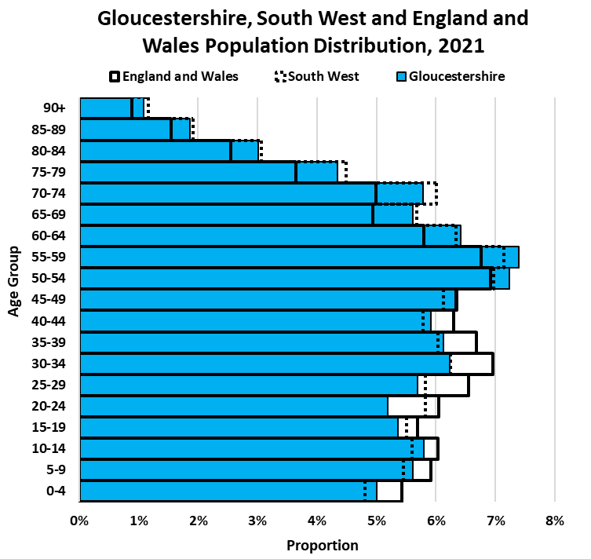

Age Group Change Between 2011 and 2021

 | Cheltenham |  |  |  | Cotswold |  |  |  | Forest of Dean |  |  |  | Gloucester |  |  |  | Stroud |  |  |  | Tewkesbury |  |  |  | Gloucestershire |  |  |  | South West |  |  |  | England |  |  |  | England and Wales
 | All persons |  |  |  | All persons |  |  |  | All persons |  |  |  | All persons |  |  |  | All persons |  |  |  | All persons |  |  |  | All persons |  |  |  | All persons |  |  |  | All persons |  |  |  | All persons
 | 2011 | 2021 | Net change 2011-2021 | % change 2011-2021 | 2011 | 2021 | Net change 2011-2021 | % change 2011-2021 | 2011 | 2021 | Net change 2011-2021 | % change 2011-2021 | 2011 | 2021 | Net change 2011-2021 | % change 2011-2021 | 2011 | 2021 | Net change 2011-2021 | % change 2011-2021 | 2011 | 2021 | Net change 2011-2021 | % change 2011-2021 | 2011 | 2021 | Net change 2011-2021 | % change 2011-2021 | 2011 | 2021 | Net change 2011-2021 | % change 2011-2021 | 2011 | 2021 | Net change 2011-2021 | % change 2011-2021 | 2011 | 2021 | Net change 2011-2021 | % change 2011-2021
All Ages | 115,732 | 118,800 | 3,068 | 2.7% | 82,881 | 90,800 | 7,919 | 9.6% | 81,961 | 87,000 | 5,039 | 6.1% | 121,688 | 132,500 | 10,812 | 8.9% | 112,779 | 121,100 | 8,321 | 7.4% | 81,943 | 94,900 | 12,957 | 15.8% | 596,984 | 645,100 | 48,116 | 8.1% | 5,288,935 | 5,701,200 | 412,265 | 7.8% | 53,012,456 | 56,489,800 | 3,477,344 | 6.6% | 56,075,912 | 59,597,300 | 3,521,388 | 6.3%
0-4 | 6,486 | 5,900 | -586 | -9.0% | 3,929 | 4,000 | 71 | 1.8% | 4,055 | 4,000 | -55 | -1.4% | 8,239 | 7,500 | -739 | -9.0% | 6,113 | 5,600 | -513 | -8.4% | 4,616 | 5,300 | 684 | 14.8% | 33,438 | 32,300 | -1,138 | -3.4% | 296,094 | 274,400 | -21,694 | -7.3% | 3,318,449 | 3,077,000 | -241,449 | -7.3% | 3,496,750 | 3,232,100 | -264,650 | -7.6%
5-9 | 5,689 | 6,400 | 711 | 12.5% | 4,126 | 4,600 | 474 | 11.5% | 4,119 | 4,500 | 381 | 9.2% | 7,113 | 8,300 | 1,187 | 16.7% | 6,166 | 6,700 | 534 | 8.7% | 4,327 | 5,800 | 1,473 | 34.0% | 31,540 | 36,200 | 4,660 | 14.8% | 272,689 | 311,100 | 38,411 | 14.1% | 2,972,632 | 3,348,600 | 375,968 | 12.6% | 3,135,711 | 3,524,600 | 388,889 | 12.4%
10-14 | 6,201 | 6,900 | 699 | 11.3% | 4,746 | 5,000 | 254 | 5.4% | 4,779 | 4,600 | -179 | -3.7% | 7,274 | 8,200 | 926 | 12.7% | 6,791 | 7,300 | 509 | 7.5% | 4,688 | 5,500 | 812 | 17.3% | 34,479 | 37,400 | 2,921 | 8.5% | 296,892 | 319,600 | 22,708 | 7.6% | 3,080,929 | 3,413,100 | 332,171 | 10.8% | 3,258,677 | 3,595,900 | 337,223 | 10.3%
15-19 | 7,556 | 6,700 | -856 | -11.3% | 4,801 | 4,400 | -401 | -8.4% | 5,518 | 5,100 | -418 | -7.6% | 7,903 | 7,700 | -203 | -2.6% | 6,885 | 6,300 | -585 | -8.5% | 4,468 | 4,500 | 32 | 0.7% | 37,131 | 34,600 | -2,531 | -6.8% | 328,077 | 313,600 | -14,477 | -4.4% | 3,340,265 | 3,218,900 | -121,365 | -3.6% | 3,539,385 | 3,394,700 | -144,685 | -4.1%
20-24 | 9,185 | 7,900 | -1,285 | -14.0% | 3,837 | 4,000 | 163 | 4.2% | 4,200 | 4,000 | -200 | -4.8% | 8,402 | 8,500 | 98 | 1.2% | 5,246 | 5,000 | -246 | -4.7% | 4,088 | 4,100 | 12 | 0.3% | 34,958 | 33,500 | -1,458 | -4.2% | 333,166 | 332,200 | -966 | -0.3% | 3,595,321 | 3,414,400 | -180,921 | -5.0% | 3,807,245 | 3,602,100 | -205,145 | -5.4%
25-29 | 9,324 | 8,100 | -1,224 | -13.1% | 3,416 | 4,000 | 584 | 17.1% | 3,601 | 4,400 | 799 | 22.2% | 8,720 | 8,900 | 180 | 2.1% | 4,910 | 6,100 | 1,190 | 24.2% | 4,023 | 5,200 | 1,177 | 29.3% | 33,994 | 36,700 | 2,706 | 8.0% | 307,159 | 332,200 | 25,041 | 8.2% | 3,650,881 | 3,715,400 | 64,519 | 1.8% | 3,836,609 | 3,901,800 | 65,191 | 1.7%
30-34 | 8,296 | 8,300 | 4 | 0.0% | 3,502 | 4,600 | 1,098 | 31.4% | 3,530 | 4,800 | 1,270 | 36.0% | 8,181 | 9,800 | 1,619 | 19.8% | 5,438 | 6,500 | 1,062 | 19.5% | 4,437 | 6,200 | 1,763 | 39.7% | 33,384 | 40,200 | 6,816 | 20.4% | 296,791 | 355,900 | 59,109 | 19.9% | 3,509,221 | 3,952,600 | 443,379 | 12.6% | 3,683,915 | 4,148,800 | 464,885 | 12.6%
35-39 | 7,715 | 8,200 | 485 | 6.3% | 4,926 | 4,900 | -26 | -0.5% | 4,687 | 4,500 | -187 | -4.0% | 8,200 | 9,200 | 1,000 | 12.2% | 7,194 | 6,700 | -494 | -6.9% | 5,263 | 6,000 | 737 | 14.0% | 37,985 | 39,500 | 1,515 | 4.0% | 322,364 | 344,100 | 21,736 | 6.7% | 3,549,116 | 3,795,400 | 246,284 | 6.9% | 3,732,161 | 3,981,600 | 249,439 | 6.7%
40-44 | 8,022 | 7,600 | -422 | -5.3% | 6,201 | 5,100 | -1,101 | -17.8% | 6,120 | 4,300 | -1,820 | -29.7% | 9,232 | 8,400 | -832 | -9.0% | 8,815 | 7,100 | -1,715 | -19.5% | 6,280 | 5,800 | -480 | -7.6% | 44,670 | 38,200 | -6,470 | -14.5% | 375,538 | 329,500 | -46,038 | -12.3% | 3,885,934 | 3,580,400 | -305,534 | -7.9% | 4,099,089 | 3,755,700 | -343,389 | -8.4%
...
50-54 | 7,051 | 7,900 | 849 | 12.0% | 6,182 | 6,900 | 718 | 11.6% | 5,932 | 6,600 | 668 | 11.3% | 7,997 | 9,200 | 1,203 | 15.0% | 8,303 | 9,500 | 1,197 | 14.4% | 5,754 | 6,700 | 946 | 16.4% | 41,219 | 46,700
55-59 | 6,263 | 8,000 | 1,737 | 27.7% | 5,783 | 7,400 | 1,617 | 28.0% | 5,700 | 7,000 | 1,300 | 22.8% | 6,589 | 9,000 | 2,411 | 36.6% | 7,671 | 9,400 | 1,729 | 22.5% | 5,251 | 6,900 | 1,649 | 31.4% | 37,257 | 47,700
60-64 | 6,385 | 6,600 | 215 | 3.4% | 6,379 | 6,500 | 121 | 1.9% | 6,381 | 6,200 | -181 | -2.8% | 6,585 | 7,600 | 1,015 | 15.4% | 8,292 | 8,500 | 208 | 2.5% | 5,717 | 5,900 | 183 | 3.2% | 39,739 | 41,400
65-69 | 5,090 | 5,600 | 510 | 10.0% | 5,280 | 6,000 | 720 | 13.6% | 5,290 | 5,800 | 510 | 9.6% | 5,324 | 5,900 | 576 | 10.8% | 6,574 | 7,400 | 826 | 12.6% | 4,835 | 5,400 | 565 | 11.7% | 32,393 | 36,200
70-74 | 4,321 | 5,800 | 1,479 | 34.2% | 4,146 | 6,300 | 2,154 | 52.0% | 4,090 | 6,000 | 1,910 | 46.7% | 4,152 | 5,700 | 1,548 | 37.3% | 5,107 | 7,700 | 2,593 | 50.8% | 4,001 | 5,600 | 1,599 | 40.0% | 25,817 | 37,300
75-79 | 3,628 | 4,400 | 772 | 21.3% | 3,492 | 4,800 | 1,308 | 37.5% | 3,138 | 4,500 | 1,362 | 43.4% | 3,360 | 4,500 | 1,140 | 33.9% | 4,122 | 5,600 | 1,478 | 35.9% | 3,083 | 4,300 | 1,217 | 39.5% | 20,823 | 28,000
80-84 | 2,964 | 3,300 | 336 | 11.3% | 2,789 | 3,300 | 511 | 18.3% | 2,236 | 2,900 | 664 | 29.7% | 2,732 | 3,000 | 268 | 9.8% | 3,110 | 3,800 | 690 | 22.2% | 2,322 | 3,000 | 678 | 29.2% | 16,153 | 19,400
85-89 | 2,161 | 2,300 | 139 | 6.4% | 1,816 | 2,100 | 284 | 15.6% | 1,455 | 1,600 | 145 | 10.0% | 1,708 | 1,900 | 192 | 11.2% | 2,015 | 2,400 | 385 | 19.1% | 1,516 | 1,700 | 184 | 12.1% | 10,671 | 12,000
90+ | 1,165 | 1,400 | 235 | 20.2% | 966 | 1,200 | 234 | 24.2% | 777 | 900 | 123 | 15.8% | 789 | 1,100 | 311 | 39.4% | 1,049 | 1,300 | 251 | 23.9% | 752 | 1,000 | 248 | 33.0% | 5,498 | 7,000

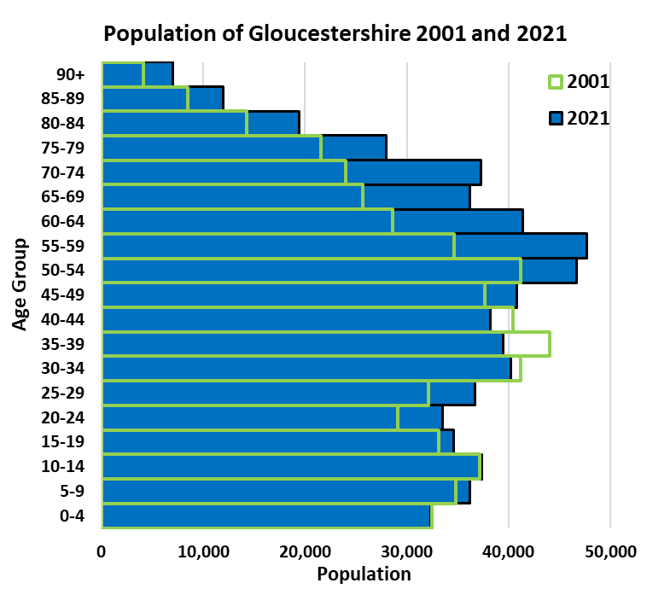
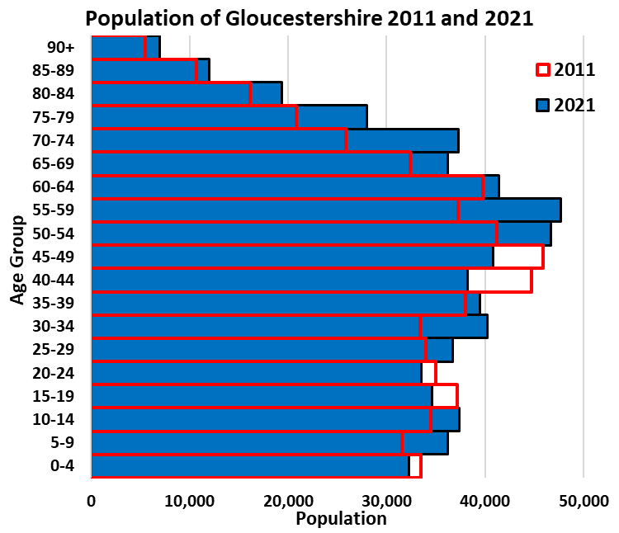
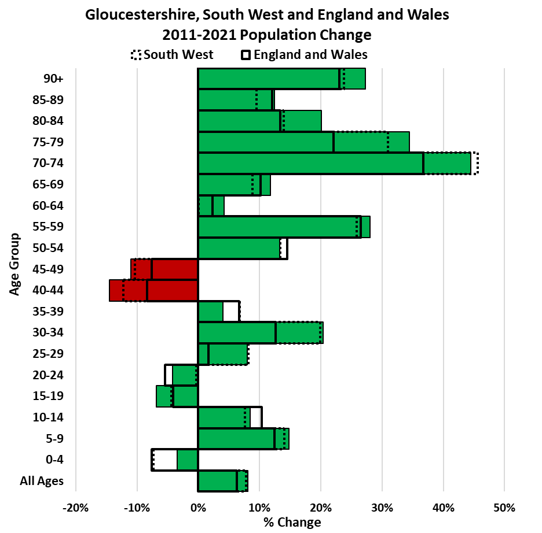

Sex and Age Structure
...
 | Cheltenham |  |  |  |  |  | Cotswold |  |  |  |  |  | Forest of Dean |  |  |  |  |  | Gloucester
50-54 | 7,900 | 7,051 | 3,900 | 3,564 | 4,000 | 3,487 | 6,182 | 6,900 | 2,948 | 3,300 | 3,234 | 3,600 | 5,932 | 6,600 | 2,903 | 3,200 | 3,029 | 3,400 | 7,997 | 9,200 | 3,978 | 4,500
55-59 | 8,000 | 6,263 | 4,000 | 3,087 | 4,100 | 3,176 | 5,783 | 7,400 | 2,824 | 3,600 | 2,959 | 3,800 | 5,700 | 7,000 | 2,783 | 3,500 | 2,917 | 3,500 | 6,589 | 9,000 | 3,332 | 4,500
60-64 | 6,600 | 6,385 | 3,400 | 3,065 | 3,300 | 3,320 | 6,379 | 6,500 | 3,115 | 3,100 | 3,264 | 3,400 | 6,381 | 6,200 | 3,095 | 3,100 | 3,286 | 3,200 | 6,585 | 7,600 | 3,231 | 3,800
65-69 | 5,600 | 5,090 | 2,700 | 2,388 | 3,000 | 2,702 | 5,280 | 6,000 | 2,561 | 2,900 | 2,719 | 3,100 | 5,290 | 5,800 | 2,638 | 2,800 | 2,652 | 3,000 | 5,324 | 5,900 | 2,513 | 2,900
70-74 | 5,800 | 4,321 | 2,800 | 2,071 | 3,100 | 2,250 | 4,146 | 6,300 | 2,005 | 3,000 | 2,141 | 3,300 | 4,090 | 6,000 | 2,035 | 2,900 | 2,055 | 3,100 | 4,152 | 5,700 | 2,011 | 2,700
75-79 | 4,400 | 3,628 | 2,000 | 1,542 | 2,400 | 2,086 | 3,492 | 4,800 | 1,571 | 2,300 | 1,921 | 2,600 | 3,138 | 4,500 | 1,468 | 2,200 | 1,670 | 2,300 | 3,360 | 4,500 | 1,510 | 2,100
80-84 | 3,300 | 2,964 | 1,500 | 1,213 | 1,800 | 1,751 | 2,789 | 3,300 | 1,145 | 1,500 | 1,644 | 1,800 | 2,236 | 2,900 | 915 | 1,400 | 1,321 | 1,500 | 2,732 | 3,000 | 1,139 | 1,300
85-89 | 2,300 | 2,161 | 800 | 786 | 1,400 | 1,375 | 1,816 | 2,100 | 665 | 900 | 1,151 | 1,200 | 1,455 | 1,600 | 506 | 700 | 949 | 1,000 | 1,708 | 1,900 | 579 | 800
90+ | 1,400 | 1,165 | 400 | 315 | 1,000 | 850 | 966 | 1,200 | 273 | 400 | 693 | 800 | 777 | 900 | 213 | 300 | 564 | 700 | 789 | 1,100 | 213 | 300

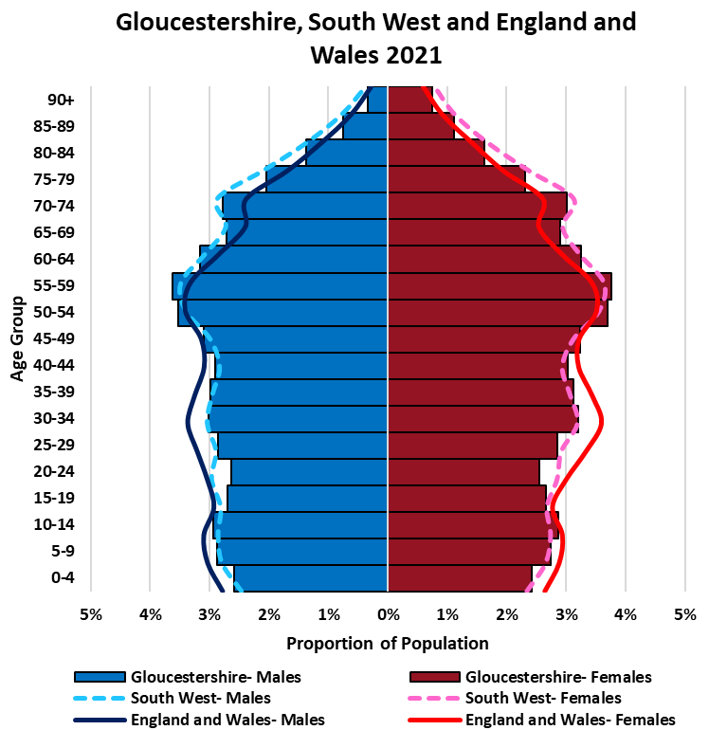
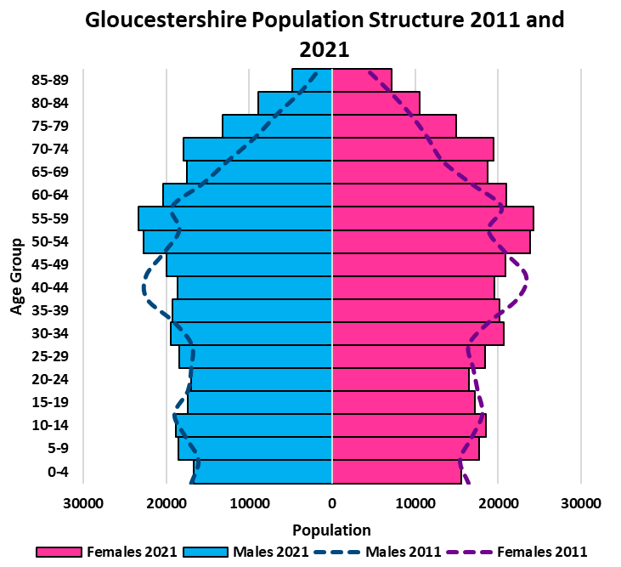

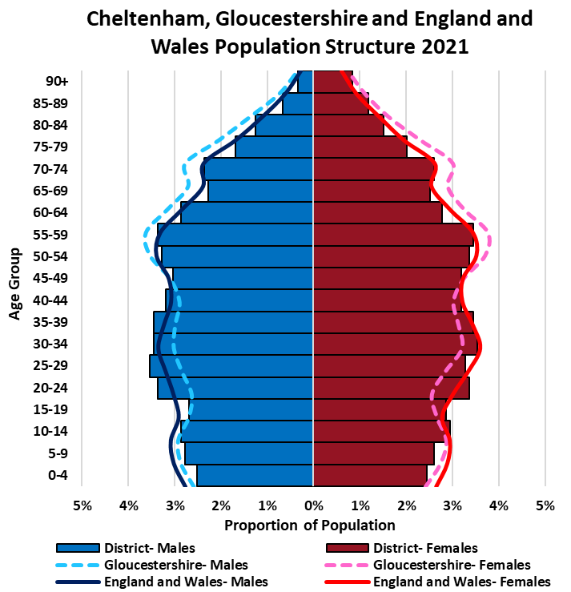
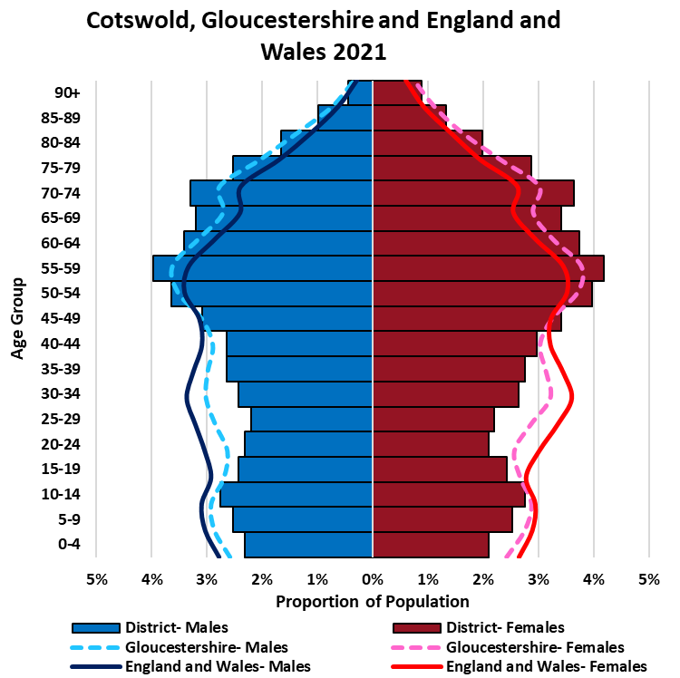
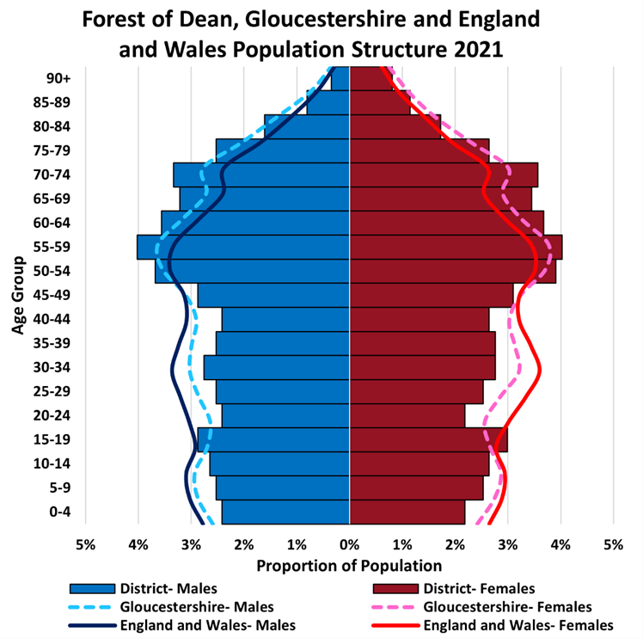

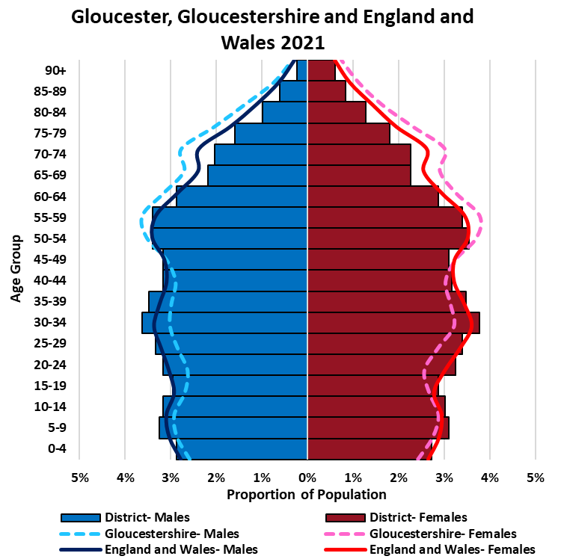
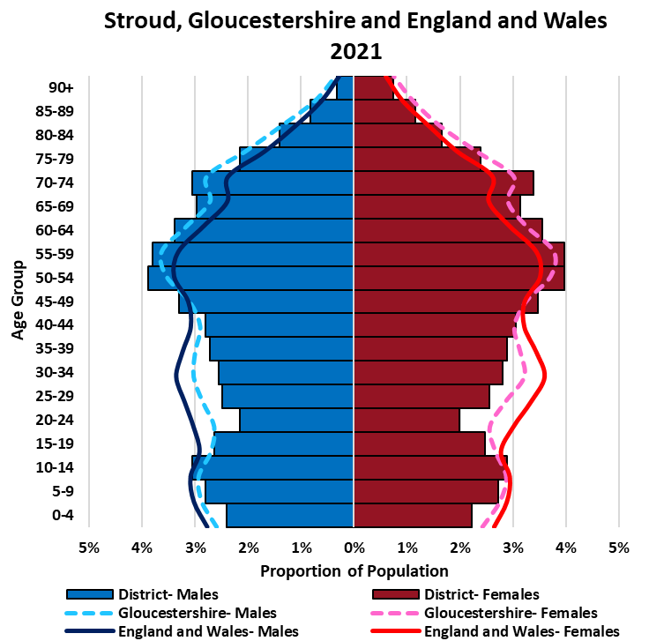
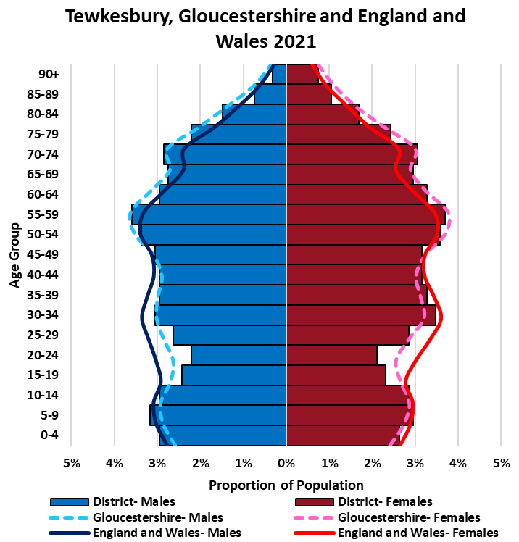

Dependency Ratios
Dependency ratios are a measure that indicate the level of support that needs to be provided by the working population (20-64 year olds) to the younger (0-19 year olds) and older population (65+ year olds). A low dependency ratio indicates that there is a sufficient ratio of the working population to the dependent population. In contrast, a high dependency ratio indicates there may be more financial burden on the working population to support the dependent population. A dependency ratio of 0.77 means that for every 100 people of working age there is 77 dependents.
Old-age dependency ratios are calculated by dividing the population aged 65+ by the working age population, and then multiplying by 100 to indicate the number of old-age dependents per 100 working-age people. Likewise, the youth dependency ratio uses the same formula to indicate the number of young people aged 0-19 who are dependent on every 100 people of working age.
Dependency ratios only provide a rough indication of the level of support needed to sustain the dependent population and should not be used on their own. As the retirement age increases, the dependency ratio should change.
...
Dependency Ratio Change Between 2011 and 2021

 | Cheltenham |  | Cotswold |  | Forest of Dean |  | Gloucester |  | Stroud |  | Tewkesbury |  | Gloucestershire |  | South West |  | England |  | England and Wales
 | 2011 | 2021 | 2011 | 2021 | 2011 | 2021 | 2011 | 2021 | 2011 | 2021 | 2011 | 2021 | 2011 | 2021 | 2011 | 2021 | 2011 | 2021 | 2011 | 2021
Dependency Ratio | 0.64 | 0.70 | 0.77 | 0.85 | 0.76 | 0.85 | 0.66 | 0.68 | 0.74 | 0.81 | 0.73 | 0.80 | 0.71 | 0.77 | 0.73 | 0.78 | 0.68 | 0.71 | 0.68 | 0.71
Old-age Dependency Ratio | 0.27 | 0.33 | 0.40 | 0.48 | 0.37 | 0.46 | 0.25 | 0.28 | 0.34 | 0.42 | 0.35 | 0.40 | 0.32 | 0.38 | 0.34 | 0.40 | 0.27 | 0.31 | 0.28 | 0.32
Youth Dependency Ratio | 0.37 | 0.37 | 0.38 | 0.37 | 0.40 | 0.39 | 0.42 | 0.40 | 0.40 | 0.39 | 0.38 | 0.40 | 0.39 | 0.39 | 0.39 | 0.38 | 0.40 | 0.40 | 0.40 | 0.40

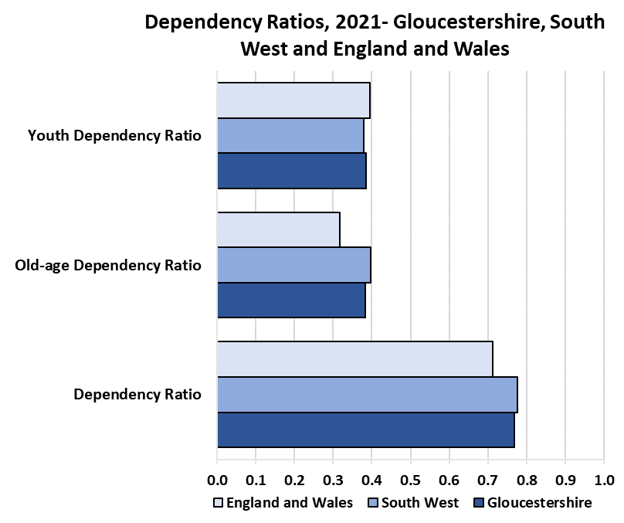
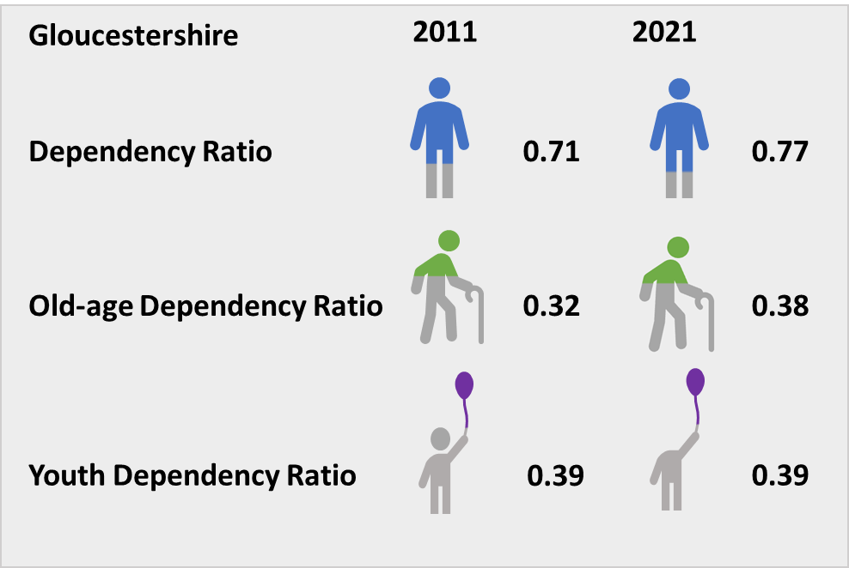

Households
...
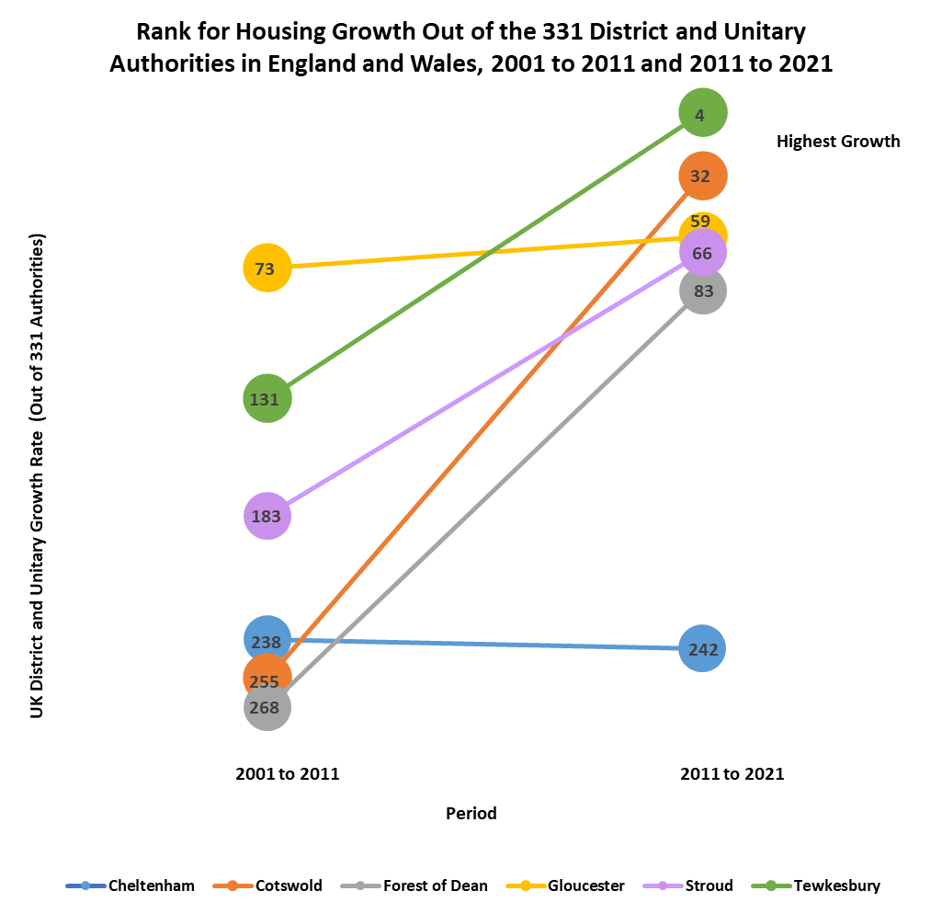

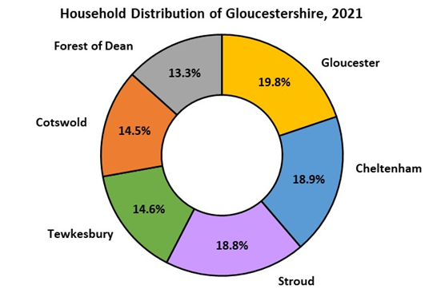

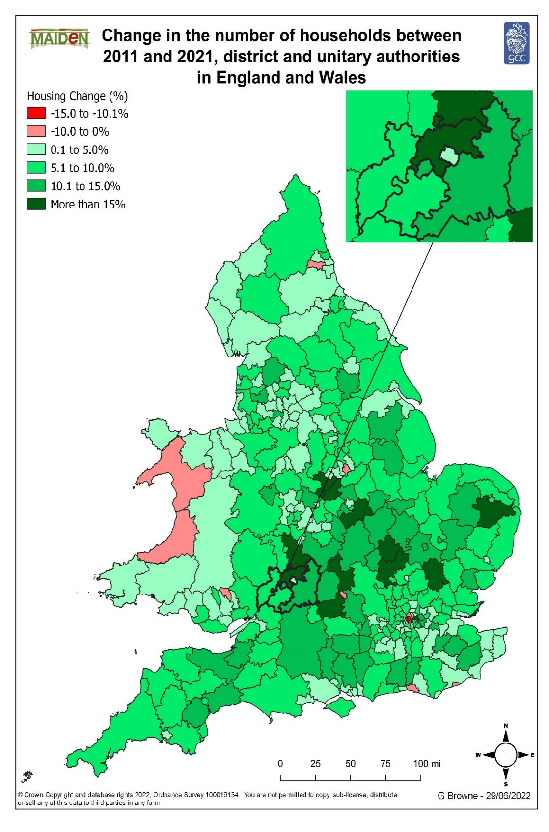
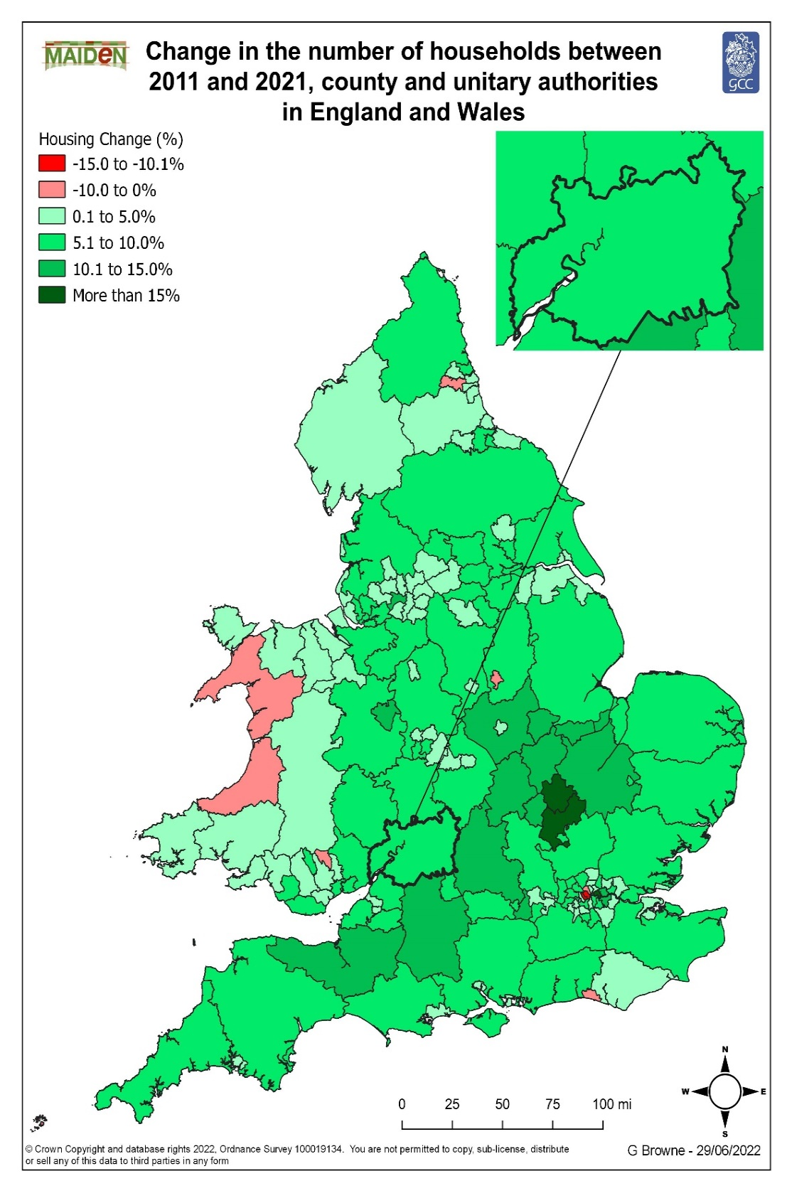

Population Density
...
 | Number of usual residents per square kilometre, 2011 | Number of usual residents per square kilometre, 2021 | Net change 2011-2021 | % change 2011-2021
Forest of Dean | 156 | 165 | 9 | 5.8%
Gloucester | 3,001 | 3,267 | 266 | 8.9%
Stroud | 245 | 263 | 18 | 7.3%
Tewkesbury | 198 | 229 | 31 | 15.7%
Gloucestershire | 225 | 243 | 18 | 8.0%
South West | 222 | 239 | 17 | 7.7%
England | 407 | 434 | 27 | 6.6%
England and Wales | 371 | 395 | 24 | 6.5%

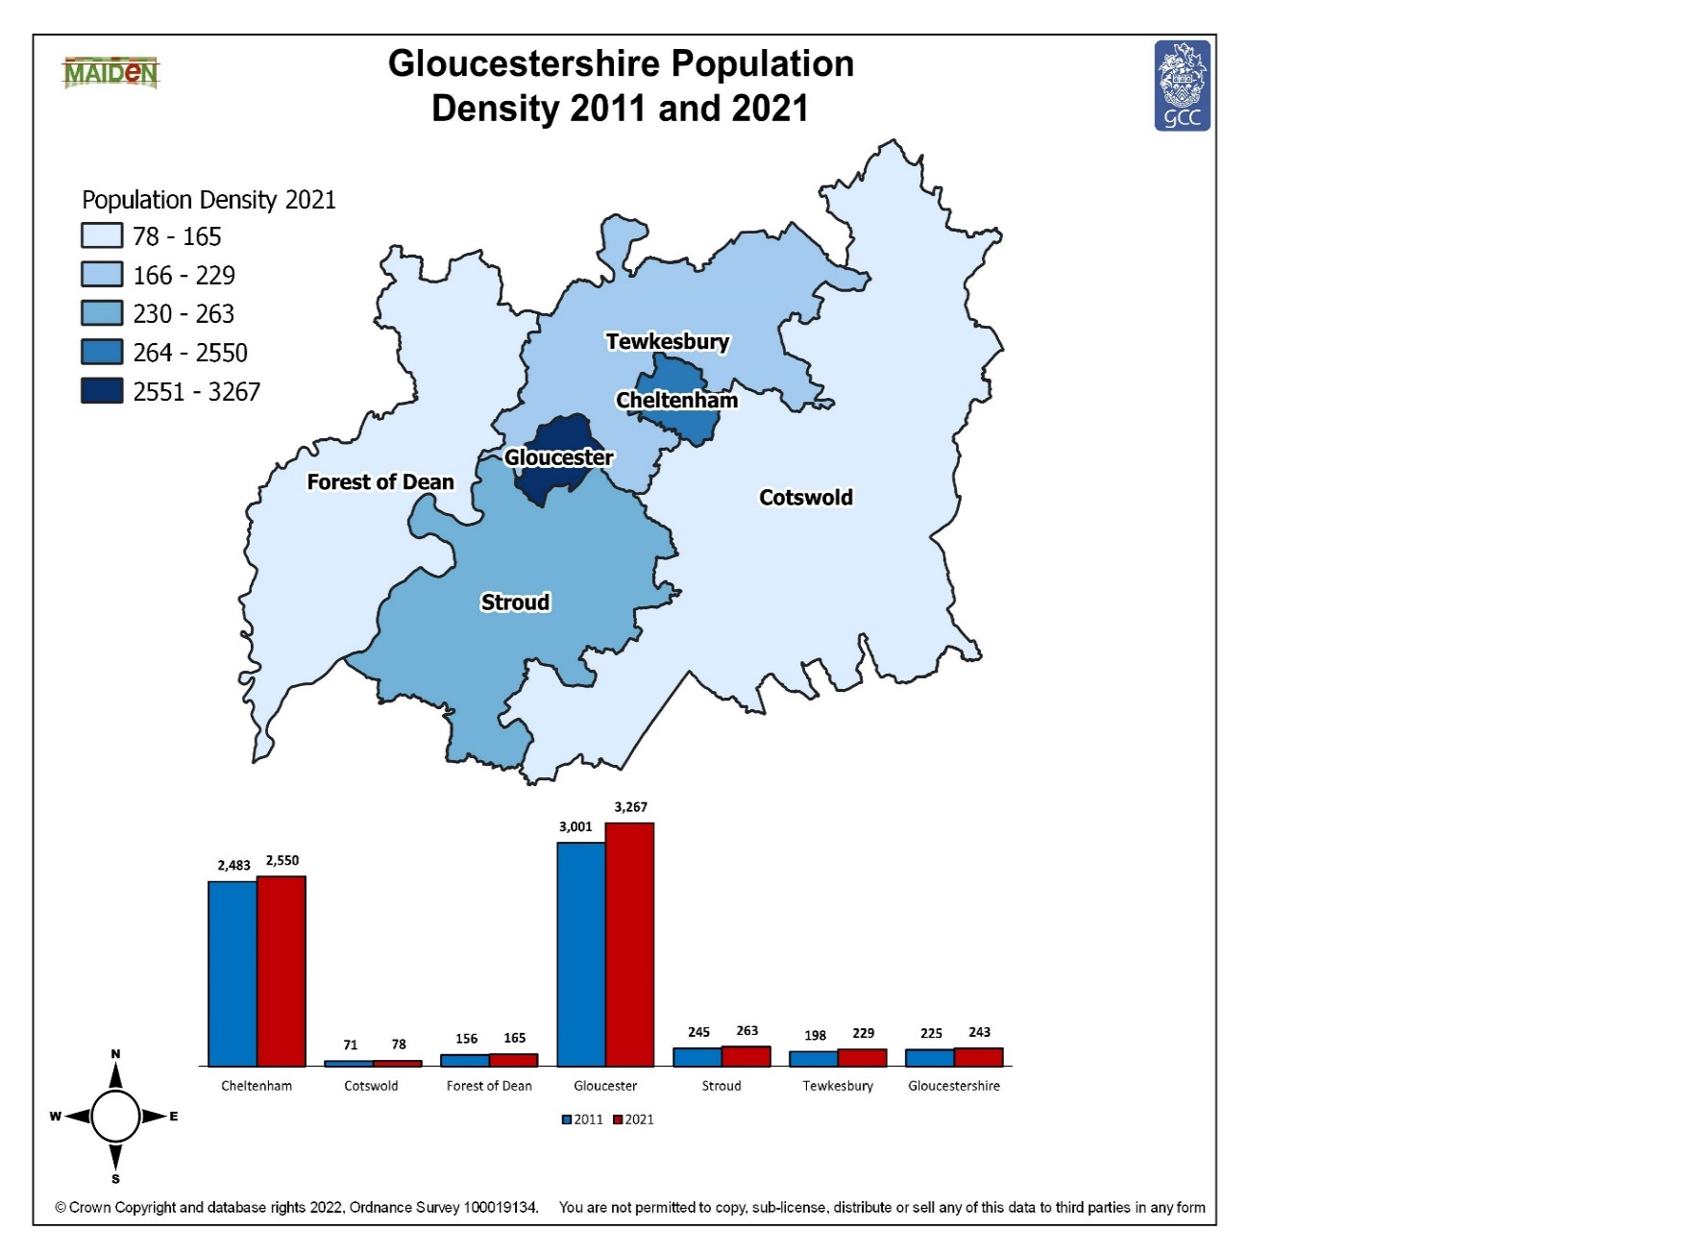
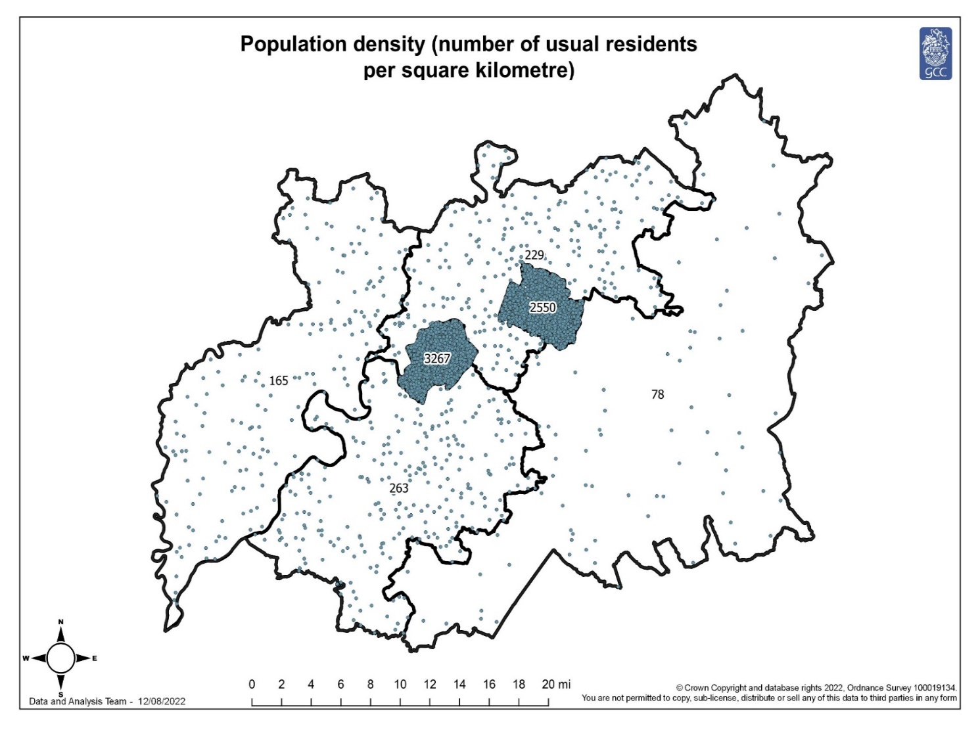

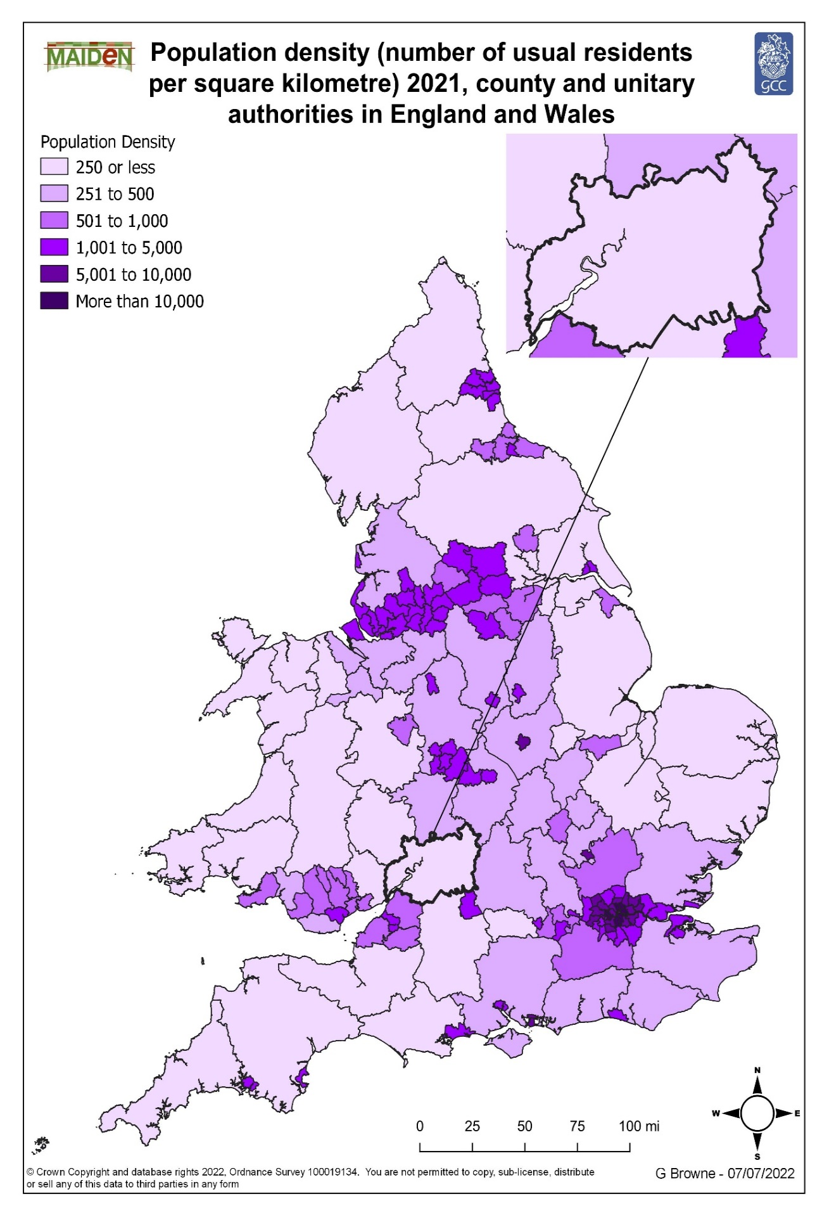
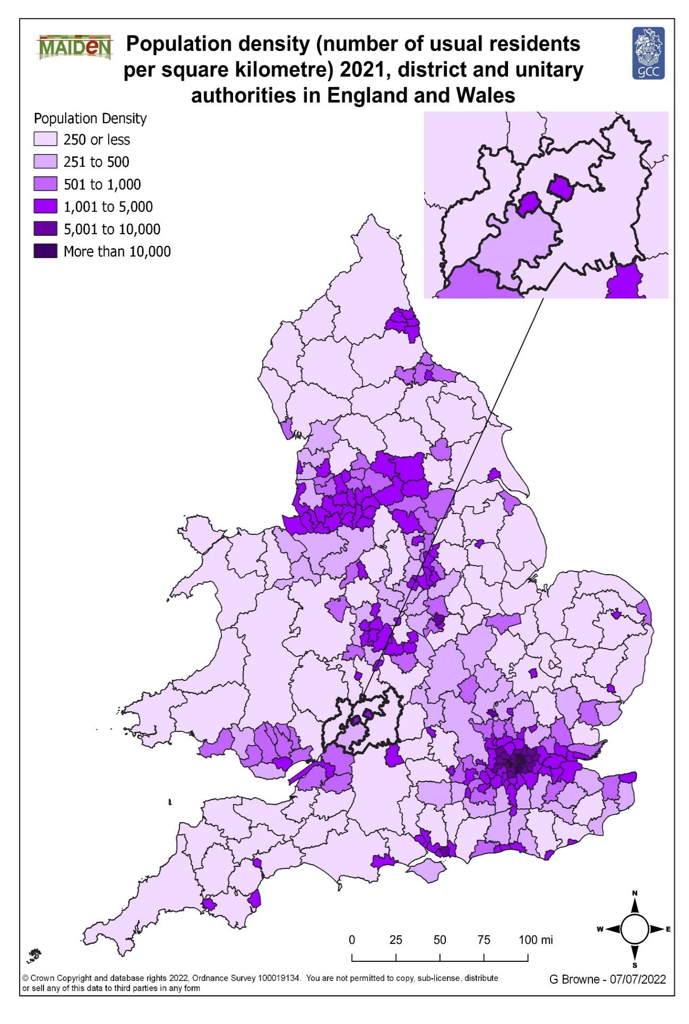

Mid-2020 Pop Comparison
Between censuses the ONS produces mid-year estimates. These estimates are produced by updating a census base using a standard demographic method, the cohort component method, and the usually resident population. The previous year’s resident population, by single year of age, is aged by one year, and then flows are applied to cover births, deaths, immigration, emigration and people entering and leaving "special populations" such as people in prisons or the armed forces. All population estimates are subject to a degree of uncertainty and that uncertainty increases over the decade between the censuses.
The data in this worksheet indicates the difference between the Census 2021 and the estimated mid-population estimates 2020. The ONS is planning to revise the mid-population estimates data in the upcoming months.
...
 |  |  |  |  |  |  |  |  | Forest of Dean |  |  |  | Gloucester |  |  |  | Stroud |  |  |  | Tewkesbury |  |  |  | Gloucestershire
 |  |  |  |  |  | 2021 Census | Net Difference | % Difference | Mid-2020 | 2021 Census | Net Difference | % Difference | Mid-2020 | 2021 Census | Net Difference | % Difference | Mid-2020 | 2021 Census | Net Difference | % Difference | Mid-2020 | 2021 Census | Net Difference | % Difference | Mid-2020 | 2021 Census | Net Difference | % Difference
 |  |  |  |  |  | 90800 | 536 | 0.6% | 87,107 | 87,000 | -107 | -0.1% | 129,709 | 132,500 | 2,791 | 2.2% | 120,903 | 121,100 | 197 | 0.2% | 96,624 | 94,900 | -1,724 | -1.8% | 640,650 | 645,100 | 4,450 | 0.7%
 |  |  |  |  |  | 4000 | -163 | -3.9% | 4,128 | 4,000 | -128 | -3.1% | 7,840 | 7,500 | -340 | -4.3% | 5,742 | 5,600 | -142 | -2.5% | 5,495 | 5,300 | -195 | -3.5% | 33,405 | 32,300 | -1,105 | -3.3%
 |  |  |  |  |  | 4600 | -127 | -2.7% | 4,568 | 4,500 | -68 | -1.5% | 8,702 | 8,300 | -402 | -4.6% | 6,994 | 6,700 | -294 | -4.2% | 6,005 | 5,800 | -205 | -3.4% | 37,617 | 36,200 | -1,417 | -3.8%
 |  |  |  |  |  | 5000 | 24 | 0.5% | 4,646 | 4,600 | -46 | -1.0% | 7,932 | 8,200 | 268 | 3.4% | 7,353 | 7,300 | -53 | -0.7% | 5,584 | 5,500 | -84 | -1.5% | 37,245 | 37,400 | 155 | 0.4%
 |  |  |  |  |  | 4400 | -81 | -1.8% | 4,993 | 5,100 | 107 | 2.1% | 7,347 | 7,700 | 353 | 4.8% | 6,409 | 6,300 | -109 | -1.7% | 4,648 | 4,500 | -148 | -3.2% | 34,601 | 34,600 | -1 | 0.0%
 |  |  |  |  |  | 4000 | 49 | 1.2% | 4,360 | 4,000 | -360 | -8.3% | 8,145 | 8,500 | 355 | 4.4% | 5,178 | 5,000 | -178 | -3.4% | 4,090 | 4,100 | 10 | 0.2% | 33,257 | 33,500 | 243 | 0.7%
 |  |  |  |  |  | 4000 | 206 | 5.4% | 4,319 | 4,400 | 81 | 1.9% | 7,917 | 8,900 | 983 | 12.4% | 5,900 | 6,100 | 200 | 3.4% | 5,260 | 5,200 | -60 | -1.1% | 34,423 | 36,700 | 2,277 | 6.6%
 |  |  |  |  |  | 4600 | 611 | 15.3% | 4,350 | 4,800 | 450 | 10.3% | 9,172 | 9,800 | 628 | 6.8% | 6,225 | 6,500 | 275 | 4.4% | 6,056 | 6,200 | 144 | 2.4% | 37,407 | 40,200 | 2,793 | 7.5%
...
50-54 | 7,771 | 7,900 | 129 | 1.7% | 7076 | 6900 | -176 | -2.5% | 6,831 | 6,600 | -231 | -3.4% | 9,220 | 9,200 | -20 | -0.2% | 9,417 | 9,500 | 83 | 0.9% | 7,037 | 6,700 | -337 | -4.8% | 47,352
55-59 | 7,816 | 8,000 | 184 | 2.4% | 7220 | 7400 | 180 | 2.5% | 6,963 | 7,000 | 37 | 0.5% | 8,747 | 9,000 | 253 | 2.9% | 9,347 | 9,400 | 53 | 0.6% | 6,926 | 6,900 | -26 | -0.4% | 47,019
60-64 | 6,467 | 6,600 | 133 | 2.1% | 6389 | 6500 | 111 | 1.7% | 6,156 | 6,200 | 44 | 0.7% | 7,250 | 7,600 | 350 | 4.8% | 8,264 | 8,500 | 236 | 2.9% | 6,030 | 5,900 | -130 | -2.2% | 40,556
65-69 | 5,798 | 5,600 | -198 | -3.4% | 6135 | 6000 | -135 | -2.2% | 5,944 | 5,800 | -144 | -2.4% | 5,967 | 5,900 | -67 | -1.1% | 7,402 | 7,400 | -2 | 0.0% | 5,592 | 5,400 | -192 | -3.4% | 36,838
70-74 | 5,969 | 5,800 | -169 | -2.8% | 6329 | 6300 | -29 | -0.5% | 6,011 | 6,000 | -11 | -0.2% | 5,847 | 5,700 | -147 | -2.5% | 7,611 | 7,700 | 89 | 1.2% | 5,718 | 5,600 | -118 | -2.1% | 37,485
75-79 | 4,436 | 4,400 | -36 | -0.8% | 4656 | 4800 | 144 | 3.1% | 4,329 | 4,500 | 171 | 4.0% | 4,388 | 4,500 | 112 | 2.6% | 5,363 | 5,600 | 237 | 4.4% | 4,232 | 4,300 | 68 | 1.6% | 27,404
80-84 | 3,328 | 3,300 | -28 | -0.8% | 3293 | 3300 | 7 | 0.2% | 2,850 | 2,900 | 50 | 1.8% | 3,002 | 3,000 | -2 | -0.1% | 3,719 | 3,800 | 81 | 2.2% | 3,028 | 3,000 | -28 | -0.9% | 19,220
85-89 | 2,202 | 2,300 | 98 | 4.5% | 2051 | 2100 | 49 | 2.4% | 1,644 | 1,600 | -44 | -2.7% | 1,842 | 1,900 | 58 | 3.1% | 2,350 | 2,400 | 50 | 2.1% | 1,726 | 1,700 | -26 | -1.5% | 11,815
90 and over | 1,385 | 1,400 | 15 | 1.1% | 1194 | 1200 | 6 | 0.5% | 917 | 900 | -17 | -1.9% | 1,080 | 1,100 | 20 | 1.9% | 1,042 | 1,300 | 258 | 24.8% | 1,040 | 1,000 | -40 | -3.8% | 6,658

